Sheet1
 |  |  |  |  | Price List

Proudly Australian Made, these Planter Boxes combine the highest quality steel, Ecoboard and Colorbond to deliver practical, durable and long lasting planter boxes. The inbuilt wicking ensures plants, herbs and flowers are always well watered, while saving on water usage.
With the option of angled sides (one of both) the Incare range allows people who are seated to access the soil easily.
 | Phone: 03 9408 9710 Email: sales@wentworthcare.com.au 3/61 Merri Concourse, Campbellfield VIC
 | Wicking Planter Boxes
 | Price includes: 1 x Planter Box 1 x Wicking Kit 1 x Assembly Guide (Optional wheels available with some models)
Qty |  | Item No | Item Name | Description | Price ex GST | Total
 | Incare Planter Box - Chair Access on One side
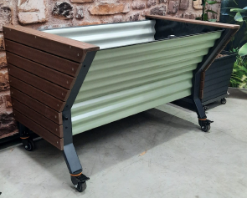
 |  | FOX-WC125-3 | Incare WC 125 3 Wicking Cells | Incare Planter box with Wheelchair access one side 125cm x 80 x 80 - 3 Wicking Cells Wicking Approximate soil required 240 Litres (or 10 x 25 Litre bags of soil, plus some mulch on top). | $809.00 | $-
0 |  | FOX-WC125-3-W | Incare WC 125 3 Wicking Cells w/wheels | Incare Planter box with Wheelchair access one side 125cm x 80 x 80 - 3 Wicking Cells Wicking Supplied with wheels Approximate soil required 240 Litres (or 10 x 25 Litre bags of soil, plus some mulch on top). | $904.00 | $-
0 |  | FOX-WC165-4 | Incare WC 165 4 Wicking Cells | Incare Planter box with Wheelchair access one side 165cm x 80 x 80 - 4 Wicking Cells Wicking Approximate soil required 330 Litres (or 13 x 25 Litre bags of soil, plus some mulch on top). | $1,130.00 | $-
0 |  | FOX-WC205-5 | Incare WC 205 5 Wicking Cells | Incare Planter box with Wheelchair access one side 204cm L x 80 W x 80 H - 5 Wicking Cells Wicking Approximate soil required 410 Litres (or 16 x 25 Litre bags of soil, plus some mulch on top). | $1,222.00 | $-
 | Incare Planter Box - Chair Access Both Sides
Qty |  | Item No | Item Name | Description | Price ex GST | Total
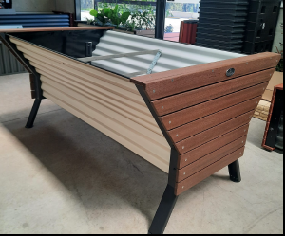
0 |  | FOX-DWC125-3 | Incare DWC 125 3 Wicking Cells | Incare Planter Box with Wheelchair access both sides 125cm x 100W x 80H - 3 Wicking Cells Wicking Approximate soil required 290 Litres (or 11 x 25 Litre bags of soil, plus some mulch on top). | $890.00 | $-
0 |  | FOX-DWC125-3W | Incare DWC 125 with wheels 3 Wicking Cells | Incare Planter Box with Wheelchair access both sides 125cm x 100W x 80H - 3 Wicking Cells Wicking with wheels Approximate soil required 290 Litres (or 11 x 25 Litre bags of soil, plus some mulch on top). | $986.00 | $-
0 |  | FOX-WC165-4 | Incare DWC 165 4 Wicking Cells | Incare Planter Box with Wheelchair access both sides 165cmL x 100W x 80H - 4 Wicking Cells Wicking Approximate soil required 390 Litres (or 216x 25 Litre bags of soil, plus some mulch on top). | $1,290.00 | $-
0 |  | FOX-WC205-5 | Incare DWC 205 5 Wicking Cells | Incare Planter Box with Wheelchair access both sides 205cmL x 100W x 80H - 5 Wicking Cells Wicking Approximate soil required 490 Litres (or 20 x 25 Litre bags of soil, plus some mulch on top). | $1,390.00 | $-
 | Artesian Planter Box - Straight sides - 51cm High
Qty |  | Item No | Item Name | Description | Price ex GST | Total
0 | 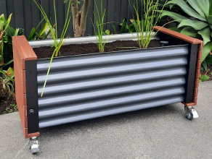 | FOX-MEL125-3 | Artesian 125cm 3 Wicking Cells | 125 x 54 x 51 Wicking Planter Box - 3 Wicking Cells Approximate soil required 160 Litres (or 7 x 25 Litre bags of soil). | $618.00 | $-
0 |  | FOX-MEL125-3W | Artesian 125cm with wheels 3 Wicking Cells | 125 x 54 x 51 Wicking Planter Box - 3 Wicking Cells with wheels Approximate soil required 160 Litres (or 7 x 25 Litre bags of soil). | $745.00 | $-
0 | 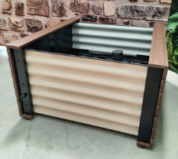 | FOX-MEL85-4 | Artesian 85cm 4 Wicking Cells (2+2) | 85 x 91 x 51 Wicking Planter Box - 4 Wicking Cells (2+2) Approximate soil required 210 Litres (or 9 x 25 Litre bags of soil). | $713.00 | $-
0 |  | FOX-MEL85-4W | Artesian 85cm with wheels 4 Wicking Cells (2+2) | 85 x 91 x 51 Wicking Planter Box - 4 Wicking Cells (2+2) Approximate soil required 210 Litres (or 9 x 25 Litre bags of soil). | $890.00 | $-
0 | 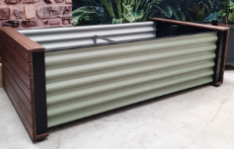 | FOX-MEL165-8 | Artesian 165cm 8 Wicking Cells | 165cm x 91cm x 51cm Wiching Planter Box - 8 Wicking Cells (4 + 4) Approximate soil required 400 Litres (or 16 x 25 Litre bags of soil). | $963.00 | $-
0 | 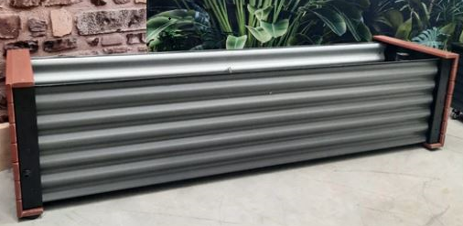 | FOX-MEL205-5 | Artesian 205cm 5 Wicking Cells | 204 x 54 x 51 Wicking Planter Box - 5 Wicking Cells Approximate soil required 260 Litres (or 10 x 25 Litre bags of soil). | $854.00 | $-
0 |  | FOX-MEL205-5W | Artesian 205cm with wheels 5 Wicking Cells | 204 x 54 x 51 Wicking Planter Box - 5 Wicking Cells with wheels Approximate soil required 260 Litres (or 10 x 25 Litre bags of soil). | $963.00 | $-
 | Artesian Mid Height Planter Box - Straight sides - 69.5cm High
Qty |  | Item No | Item Name | Description | Price ex GST | Total
0 |  | FOX-MEL-MH125-3 | Artesian 125cm 3 Wicking Cells | 125 x 54 x 69.5 Wicking Planter Box - 3 Wicking Cells Approximate soil required 160 Litres (or 7 x 25 Litre bags of soil). | $740.00 | $-
0 | 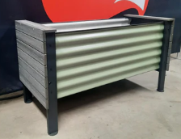 | FOX-MEL-MH125-3W | Artesian 125cm with wheels 3 Wicking Cells | 125 x 54 x 69.5 Wicking Planter Box - 3 Wicking Cells with wheels Approximate soil required 160 Litres (or 7 x 25 Litre bags of soil). | $845.00 | $-
0 | 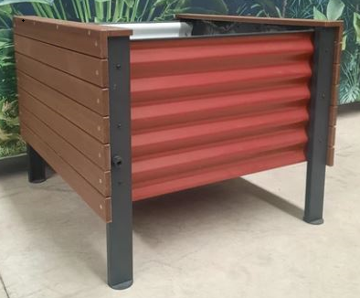 | FOX-MEL-MH85-4 | Artesian 85cm 4 Wicking Cells | 85 x 91 x 69.5 Wicking Planter Box - 4 Wicking Cells (2+2) Approximate soil required 210 Litres (or 9 x 25 Litre bags of soil). | $836.00 | $-
0 | 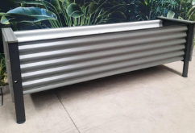 | FOX-MEL-MH205-5 | Artesian 205cm 5 Wicking Cells | 205cm x 55cm x 69.5cm Wiching Planter Box - 5 Wicking Cells Approximate soil required 400 Litres (or 16 x 25 Litre bags of soil). | $977.00 | $-
0 | 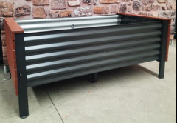 | FOX-MEL-MH165-8 | Artesian 165cm 8 Wicking Cells | 165cm x 91cm x 69.5cm Wiching Planter Box - 8 Wicking Cells (4+4) Approximate soil required 400 Litres (or 16 x 25 Litre bags of soil). | $1,086.00 | $-
 | Mobile Planter Box Units - Ideal for inside
Qty |  | Item No | Item Name | Description | Price ex GST | Total
0 | 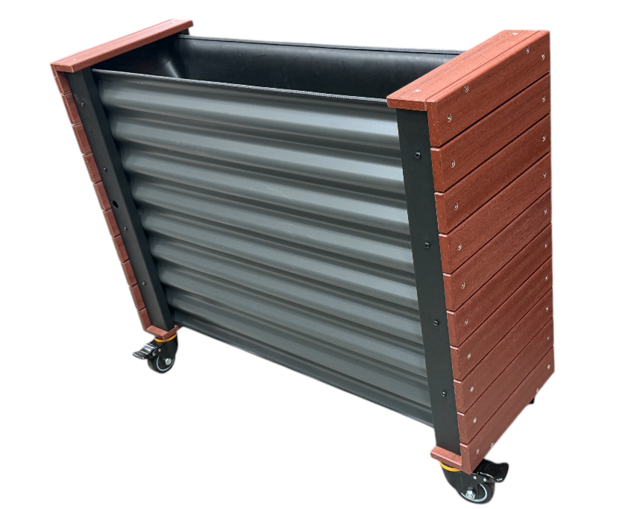 | FOX-MOBILE | Mobile Planter Box | 980L x 350W x 810H on wheels Includes false bottom so the complete unit doesn't need to be filled with soil. | $786.00 | $-
 | Lattice
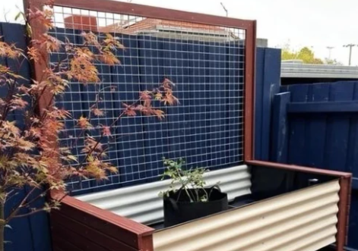
0 |  | FOX-LAT125 | Lattice 125 | 125mm Lattice | $250.00 | $-
0 |  | FOX-LAT165 | Lattice 165 | 165mm Lattice | $275.00 | $-
0 |  | FOX-LAT200 | Lattice 200 | 200cm Lattice | $290.00 | $-

 | Accessories - Level Indicator
0 |  | LEVEL | Level Indicator | Check your water levels by inserting the Indicator in the Water Pipe Free with orders of 3 or more | $30.00 | $-
 |  |  |  |  | Total Ex GST | $-
 |  |  |  |  | GST Amount | $-
 |  |  |  |  | Total Incl. GST | $-
 | All prices exclude GST & Shipping.
 | Planter boxes can be shipped all across Australia - either flatpacked or fully assembled.
 | Please add $20 for Flat pack to allow for cartons.
 | Soil, mulch and flowers / plants are not included.
 | Colour Options
 | Ecoboard: | Jarrah, Blackbean, Ash Grey
 | Colorbond: | Pale Eucalypt, Paperbard, Manor Grey, Monument

