Empresa bed
EMPRESA BED KIT CODES PRICELIST 2022

 |  | Individual Item Price List | Volume price | RRP
BA4000 |  | Single Bed Only, Empresa, Floorline 90cm | $3,500.00 | $4,310.00
BA8246 |  | King Single Bed (Empresa bed with WIDTH EXTENSION 105cm) | $3,974.00 | $4,894.00

BA0964 |  | LENGTH EXTENSION, Empresa, 10cm | $196.00 | $241.00
BA8246 |  | WIDTH EXTENSION, Empresa, (to convert single to king single) | $474.00 | $585.00
 |  |  |  | $-
BA7883 / BA7884 |  | Arc Single Head and Foot, Lissa Oak, suits Single and King Single | $282.00 | $347.00
BA7880 / BA7881 |  | Skandi Single Head and Foot, Lissa Oak, suits 90cm | $697.00 | $858.00
BA7878 / BA7879 |  | Skandi King Single Head and Foot | $724.00 | $892.00
BA7882/BA7847 |  | Set Skandi Side Panels | $378.00 | $466.00
BA7875 / BA7876 |  | Bento Single Head and Foot, Lissa Oak, | $755.00 | $929.00
BA7873 / BA7874 |  | Bento King Single Head and Foot, Lissa Oak, | $779.00 | $958.00
BA7877/BA7847 |  | Bento Skandi Side Panels | $500.00 | $616.00
BA7870 / BA7871 |  | Alexander King Single Head and Foot | $1,713.00 | $2,109.00
BA7872/BA7847 |  | Set Alexander Fabric side rails | $806.00 | $1,064.00

PACKAGE PRICING Empresa FloorlineBed ARC PACKAGE - Head and Foot

SINGLE | KING SINGLE
$3,782 | $4,256
Side panels
N/A | N/A

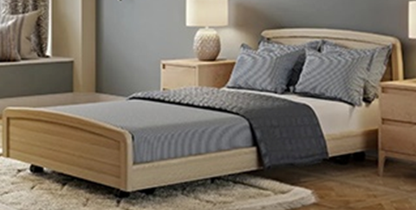
PACKAGE PRICING Empresa FloorlineBed SKANDI PACKAGE - Head and Foot

SINGLE | KING SINGLE
$4,224 | $4,698
Side panels - add to bed price
$378 | $378

PACKAGE PRICING Empresa FloorlineBed ALEXANDER PACKAGE - Head and Foot

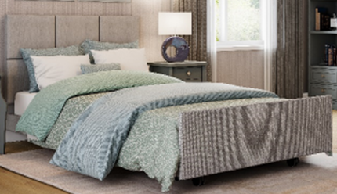
SINGLE | KING SINGLE
N/A | $5,687
Side panels - add to bed price
 | $806

Overbed Tables
 |  |  |  | Price List - Overbed Tables
 |  |  | Date: | 2025-09-23
Phone: 03 9408 9710 |  |  | Quote: | Overbed Tables
Email: sales@wentworthcare.com.au |  |  | Quote valid until: | 2025-10-23
 |  |  | Prepared by: | Tamlyn Carr

Quotation For:
 |  |  |  | LEAD TIMES
 |  |  |  | 1-2 weeks
Comments:

QUANTITY | DESCRIPTION | IMAGE | UNIT PRICE | SUB-TOTAL
 | STANDARD OVERBED TABLES |  |  | $-
 | A01 Spring - Overbed Table Spring Loaded with Cream or Beech top • Spring assisted lift mechanism • Large handscrew for ease of height adjustment • Wide C-base to fit around most lift chairs • Two lockable castors • High quality powdercoated steel frame • Woodgrain table top in Beech or Cream • Height adjustment range: 730 - 1000mm • Standard Top Size: 79cm x 39cm. (Option to increase to: 90cm x 39cm to suit King Single) Available with cream or grey base to suit your beds | 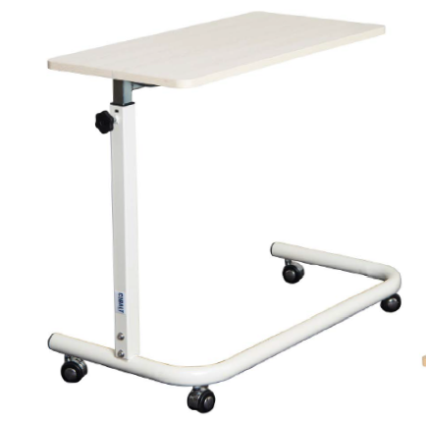 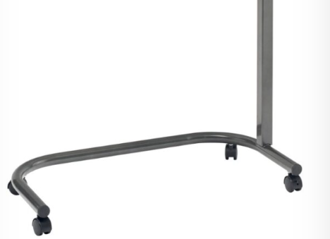 | $235.00 | $-
 | A01 Gas Lift - Overbed Table with Cream or beech top • Gas assisted lift mechanism • One-touch height adjustment • Large handscrew to tighten and stabilise table top • Wide C-base to fit around most lift chairs • Two lockable castors • High quality powdercoated steel frame • Woodgrain table top in Beech or Cream • Height adjustment range: 730 - 1000mm • Standard Top Size: 79cm x 39cm. (Option to increase to: 90cm x 39cm to suit King Single) Available with cream or grey base to suit your beds | 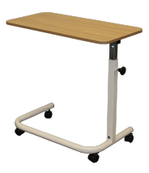 | $295.00
 | A01 - Tilt Top Table • Split tilt top with ledge for reading material or device • Table top mechanism either gas or ratchet controlled • Gas assisted lift mechanism • Large handscrew to tighten and stabilise table top • Wide C-base to fit around most lift chairs • Two lockable castors • High quality powdercoated steel frame • Woodgrain table top in Beech • Height adjustment range: 730 - 1000mm | 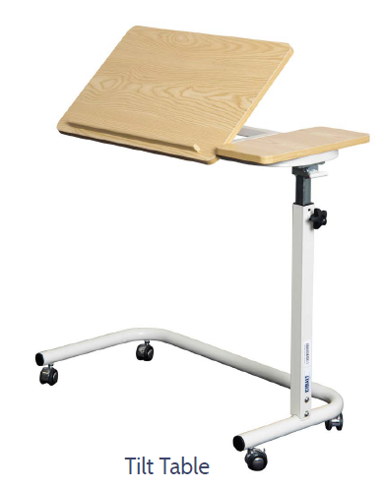 | $330.00 | $-
 | OBTPL-NATOAK Premium Lift Overbed Table with gas assist lift One handed operation Laminate Top - Natural Oak Matt Finish Metal Stopper Australian Made 4 castors (2 x lockable) Top size 800 x 400 Height range 785-1050 | 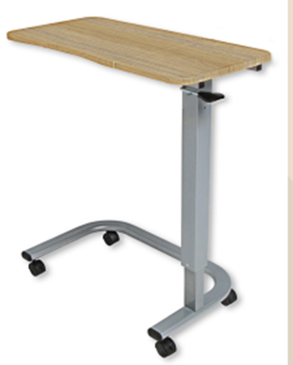 | $599.00 | $-
0 | OBTPL-NATOAK 'Premium Tilt Top Table Tilt Area 385 x 560mm Fixed Area 250 x 385mm Tilt Angles 0°/18°/25°/32°/38°/43° Laminate Top - Natural Oak Matt Finish Frame Powder Coated Steel Height Range 785mm to 1050mm Maximum Load 20 kg (Evenly Distributed) Castors 4 x 50mm, 2 x Lockable | 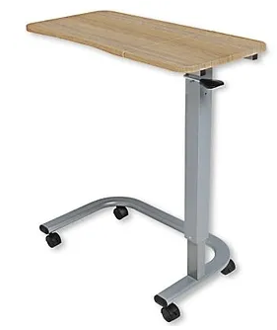 | $683.00 | $-
0 | Top only - Laminate -39 cm x 79cm Available in Laminex Woodgrain Colours (Click on Image to see Colour Range) |  | $128.00 | $-
0 | Top only - Solid timber -39 cm x 79cm Available to match your existing furniture |  | $166.00 | $-
 |  |  | SUB TOTAL | $-
 | Prices subject to change without notice. Please contact us before ordering to confirm price. |  | GST AMOUNT | $-
 | Price exludes GST (where applicable) and shipping |  | TOTAL | $-

