Individual Tables
 |  |  | Price List Outdoor Tables
 |  |  |  |  | Date: | 2025-07-29
You can update the numbers in these columns |  |  |  |  |  | Lead Time

Quantity | Item Code | Description | Image | November Price | Total Amount
4 |  | Bali Table 940 x 940 | 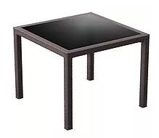 | $490.00 | $1,960.00
 |  | Tahiti Table 1800 x 940 | 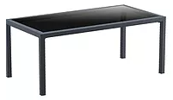 | $635.00 | $-
 |  | Ares Table 80 80 x 80 | 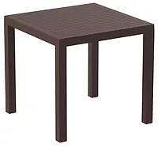 | $426.00 | $-
0 |  | Ares Table 140 140 x 80 | 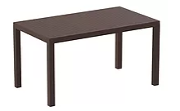 | $531.00 | $-
0 |  | Orlando 80 80 x 80 | 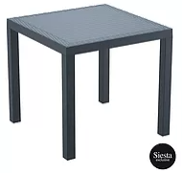 | $426.00 | $-
 |  | Orlando 140 140 x 80 | 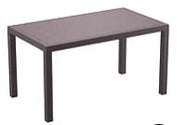 | $585.00 | $-
 |  | Vegas Extension Table 100/140 | 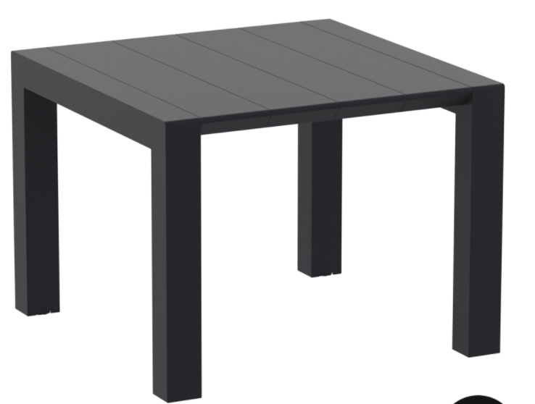 | $817.00 | $-
 |  | Vegas Extension Table 180/220 | 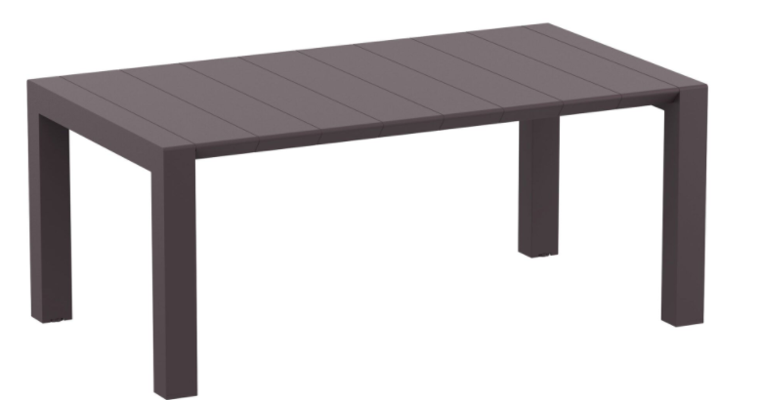 | $908.00 | $-
 |  | Vegas Extension Table 260/300 | 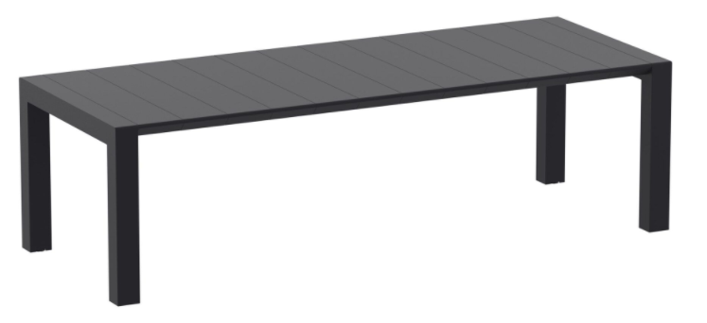 | $1,090.00 | $-
 |  | Ibiza 80 Table | 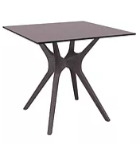 | $676.00 | $-
 |  | Ibiza 140 Table | 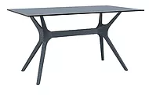 | $894.00 | $-
 |  | Ibiza 180 Table | 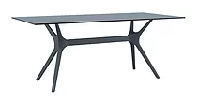 | $1,334.00 | $-
0 |  | Air 80 Table | 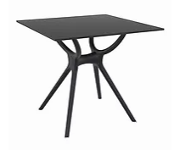 | $676.00 | $-
0 |  | Air 140 Table | 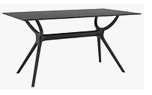 | $958.00 | $-
 |  | Air 180 Table | 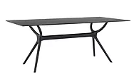 | $1,334.00 | $-
 |  | Tequila Table | 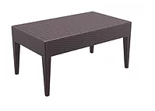 | $152.00 | $-
0 |  | Tequila Side Table | 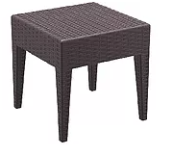 | $86.00 | $-
 |  | Atlanta Round Table | 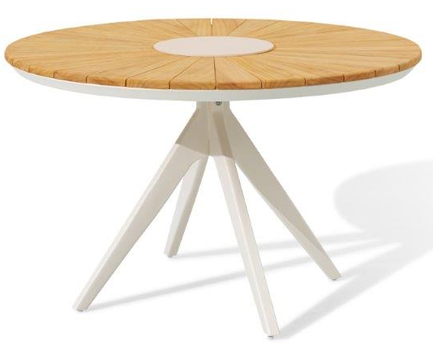 | $1,249.00 | $-
1 |  | Atlanta Dining Table L220 x W100 x H75 cm |  | $1,914.00 | $1,914.00
 |  | Axis Dining Table Powder-coated aluminium frame / Teak top 160x90x76cm |  | $1,149.00 | $-
0 |  | Axis Extendable Dining Table Powder-coated aluminium frame / Teak top 200/260/320x100x76cm |  | $2,499.00 | $-
Standard Terms:
- 30% deposit, balance 7 days from invoice unless otherwise agreed
- This quote is valid for 30 days
- Prices subject to change - this is a budget quote only.
- Freight will be quoted when qty's known
 |  |  |  |  | $3,874.00
 |  |  |  | Freight (TBA) | $-
 |  |  |  | Total | $3,874.00
 |  |  |  | GST | $387.40
 |  |  |  | Total Incl GST | $4,261.40

Comments/Notes: |  | More products available
Wentworth Care Furniture Pty Ltd
ABN 30 613 921 154

P: 03 9408 9710 E: info@wentworthcare.com.au

Individual Chairs
 |  |  |  |  | Price List Outdoor Chairs
 |  |  |  | Date: | 2025-07-29
 |  |  |  | Quote number: | BUDGET

You can update the numbers in these columns |  |  |  | Lead Time

Quantity | Item Code | Description | Image | Price | Total
0 |  | Sky Chair |  | $199.00 | $-
0 |  | Ares Chair | 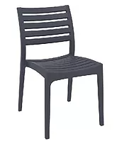 | $126.00 | $-
0 |  | Artemis Chair |  | $144.00 | $-
0 |  | Capri Chair |  | $144.00 | $-
16 |  | Pacific Armchair | 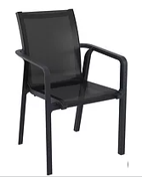 | $171.00 | $2,736.00
0 |  | Panama Chair (cushions add $55) | 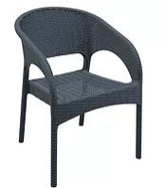 | $208.00 | $-
0 |  | Ibiza Chair | 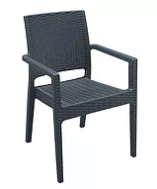 | $258.00 | $-
0 |  | Aruba with cushion (Cushions add $55) | 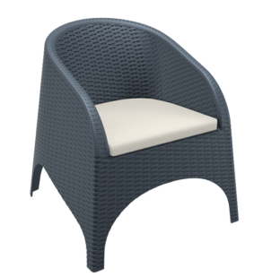 | $272.00 | $-
0 |  | California Chair with cushion (Cushions add $55) | 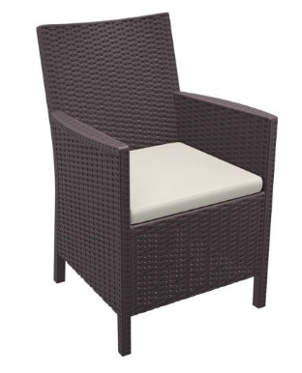 | $237.00 | $-
0 |  | Tequila with cushion | 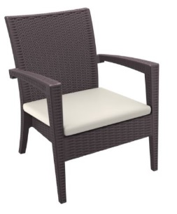 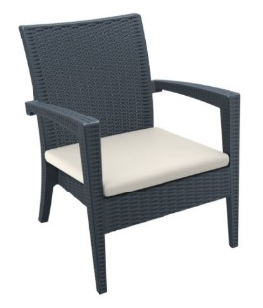 | $427.00 | $-
0 |  | Tequila Sofa with cushion | 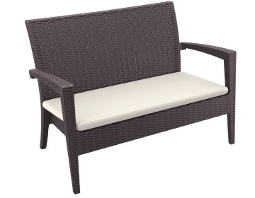 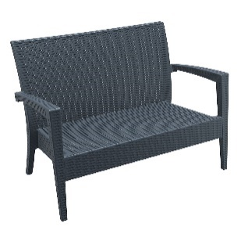 | $640.00 | $-
0 |  | Liverpool Dining Natural nut brown wicker, charcoal or beige cushion W60xD71.5xH82 cm | 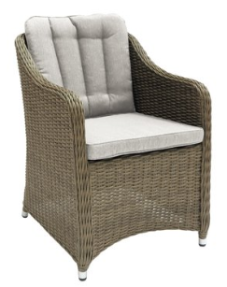 | $300.00 | $-
0 |  | Liverpool Lounge Natural nut brown wicker, charcoal or beige cushion W60xD65xH82 cm | 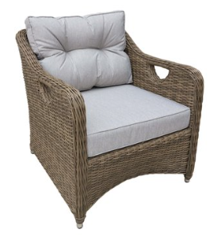 | $546.00 | $-
 |  | Rosebud Armchair Nut Brown or Shell White | 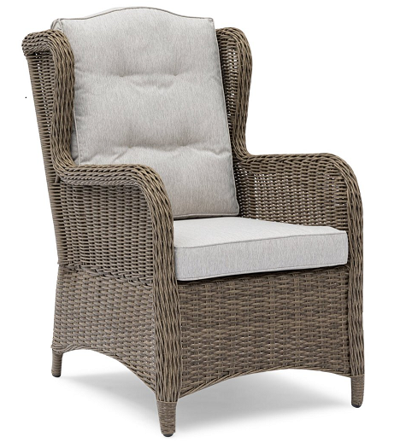 | $570.00 | $-
 |  | Rosebud 2 Seater Nut Brown or Shell White | 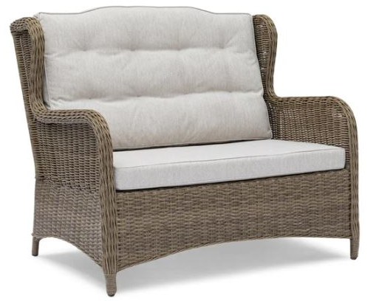 | $973.00 | $-
 |  | Rosebud 3 Seater Nut Brown or Shell White | 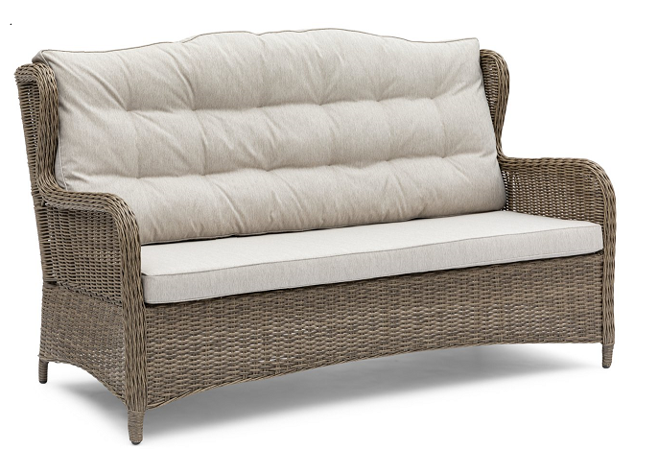 | $1,240.00 | $-
0 |  | Rosebud Seat Raiser | 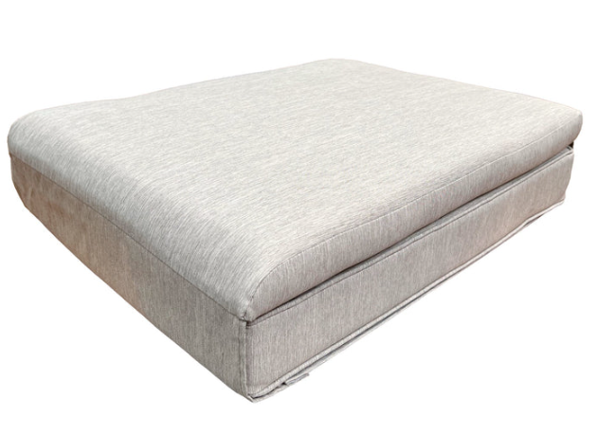 | $50.00 | $-
0 |  | Atlanta Dining Chair | 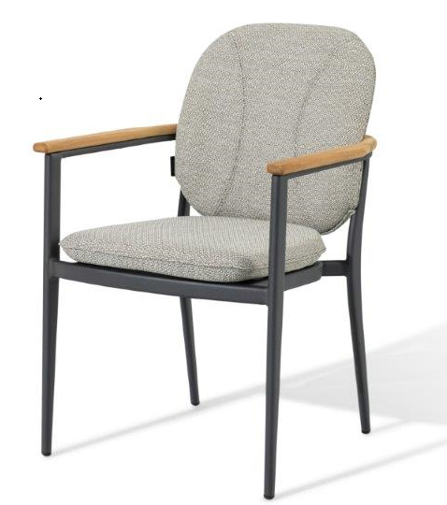 | $355.00 | $-
0 |  | Timmi Dining Chair Powder-coated aluminium frame / Olefin rope / Texteline seat / Teak armrest 56.5x62x82cm | 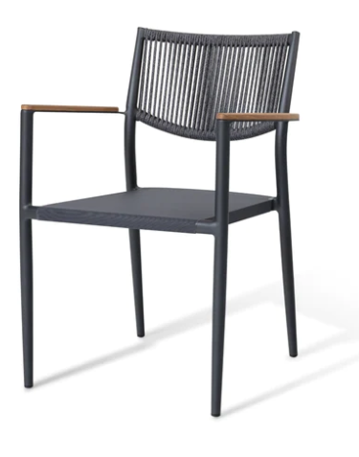 | $269.00 | $-
0 |  | Timmi Dining Chair with cushion Powder-coated aluminium frame / Olefin rope / Texteline seat / Teak armrest 56.5x62x82cm | 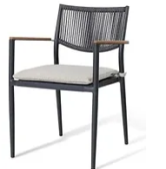 | $289.00 | $-
0 |  | Pier Dining Chair with cushion The Pier dining chair features a minimal design with its one-piece backrest and slim legs. Available with teak or texteline seat and two frame colours, it is an elegant fit with a variety of tables and outdoor settings.Seat height: 45 cm | 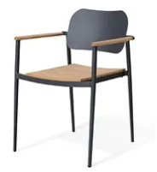 | $339.00 | $-
Standard Terms:
- 30% deposit, balance 7 days from invoice unless otherwise agreed
- This quote is valid for 30 days
- Prices subject to change - this is a budget quote only.
- Freight will be quoted when qty's known
 |  |  |  |  | $2,736.00
 |  |  |  | Freight (TBA) | $-
 |  |  |  | Total | $2,736.00
 |  |  |  | GST | $273.60
 |  |  |  | Total Incl GST | $3,009.60

Comments/Notes: |  | More products available
Wentworth Care Furniture Pty Ltd
ABN 30 613 921 154

P: 03 9408 9710 E: info@wentworthcare.com.au

Sets
 |  |  | Price List Outdoor Packages
 | Comfort for every body |  |  | Date: | 2025-07-29
 |  |  |  | Quote number: | BUDGET

You can update the numbers in these columns |  |  |  |  | Lead Time

Quantity | Item Code | Description | Image | Price | Total Amount
0 |  | Rosebud 4 pce Lounge Setting with Two Seater White shell or Nut Brown 2x armchair: W64xD80xH102 cm 1x Table 1x Two Seater | 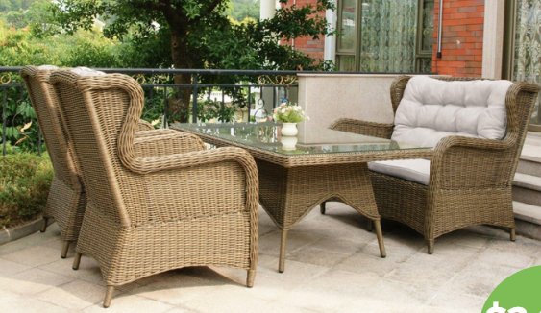 | $2,466.00 | $-
0 |  | Rosebud 4 pce Lounge Setting with Three Seater White shell or Nut Brown 2x armchair: W64xD80xH102 cm 1x Table 1x Three Seater | 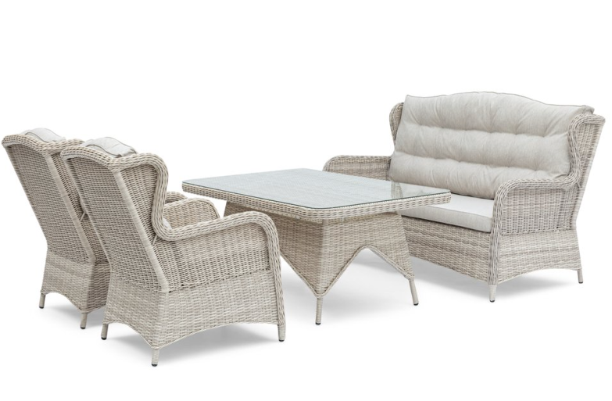 | $2,733.00 | $-
0 |  | Rosebud 4 pce Balcony Set White shell 2x armchair: W64xD80xH102 cm 1x side table: dia.60xH45 cm 1x ottoman: L60xW50xH40 cm | 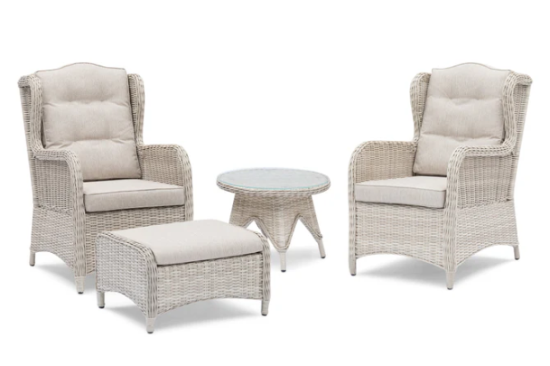 | $1,600.00 | $-
0 |  | Rosebud 4 pce Balcony Set Brown Wicker 2x armchair: W64xD80xH102 cm 1x side table: dia.60xH45 cm 1x ottoman: L60xW50xH40 cm | 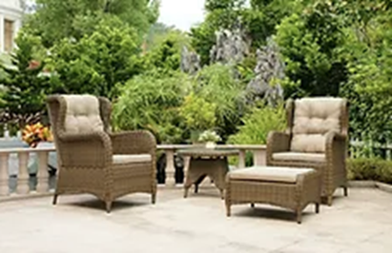 | $1,600.00 | $-
0 |  | Seat Raiser |  | $50.00 | $-
0 |  | Winchelsea Balcony Set, , Light Brown Wicker and beige cushion Brown Wicker 2x armchair: W62xD74xH89 cm 1x side table:45 / 40 x H30cm | 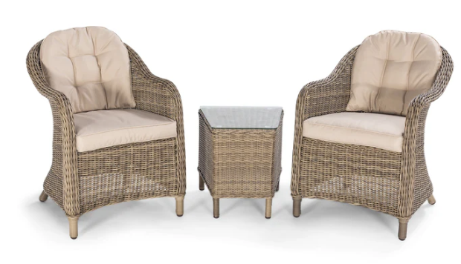 | $850.00 | $-
0 |  | Liverpool 3 Pce Balcony Set 2x chair: W60xD65xH82 cm 1x side table: L46xW46xH48 cm | 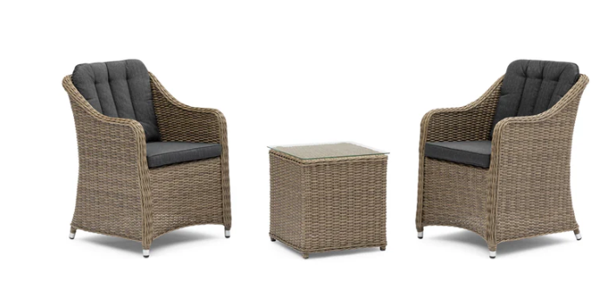 | $890.00 | $-
0 |  | Liverpool 5 Pce Lounge Set Natural nut brown wicker, charcoal cushion & clear glass Or natural nut brown wicker, beige cushion & clear glass 6x chair: W60xD65xH82 cm 1x table: L180xW100xH75 cm | 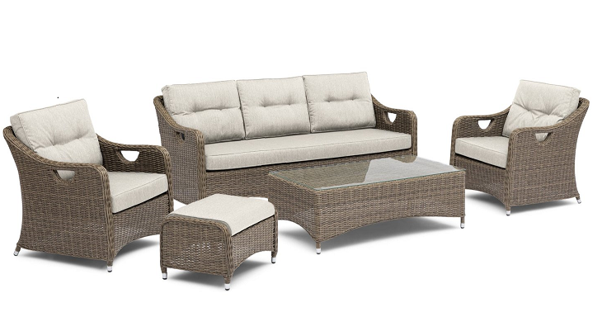 | $2,900.00 | $-
0 |  | Liverpool 7 Pce Dining Set Natural nut brown wicker, charcoal cushion & clear glass Or natural nut brown wicker, beige cushion & clear glass 2x armchair: W71xD80xH80 cm 1x 3-seater sofa: W192xD80xH80 cm 1x coffee table: L120xW60xH47 cm 1x ottoman: L60xW46xH40cm | 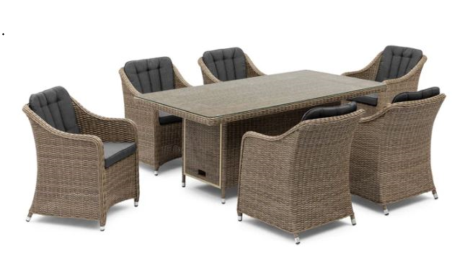 | $3,066.00 | $-
0 |  | Liverpool 9 Pce Dining Set - Rectangle | 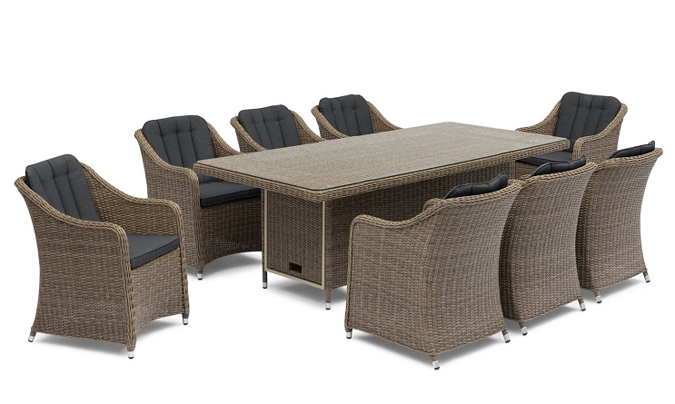 | $3,733.00 | $-
0 |  | Liverpool 9 Pce Dining Set - Square | 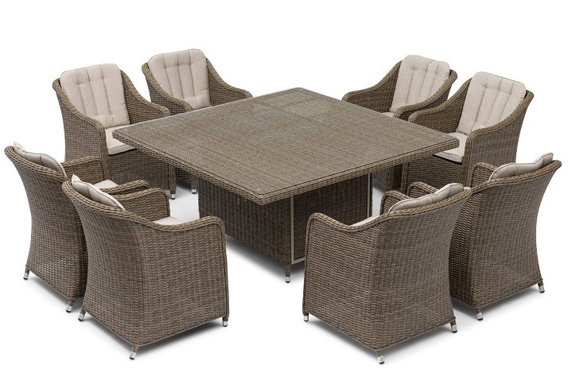 | $3,733.00 | $-
Standard Terms:
- 30% deposit, balance 7 days from invoice unless otherwise agreed
- This quote is valid for 30 days
- Prices subject to change - this is a budget quote only.
- Freight will be quoted when qty's known
 |  |  |  |  | $-
 |  |  |  | Freight (TBA) | $-
 |  |  |  | Total | $-
 |  |  |  | GST | $-
 |  |  |  | Total Incl GST | $-

Comments/Notes: |  | More products available
Wentworth Care Furniture Pty Ltd
ABN 30 613 921 154

P: 03 9408 9710 E: info@wentworthcare.com.au

