Head and Foot, Bedframe
 |  |  |  | Price List - Head and Foot
 |  |  | Date:
 |  |  | Quote:
 |  |  | Quote valid until:
Phone: 03 9408 9710 |  |  | Prepared by:
Email: sales@wentworthcare.com.au
Quotation For:
 |  |  |  | LEAD TIMES
 |  |  |  | 4-6 weeks
Comments:

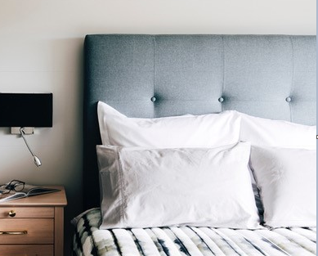
QUANTITY | DESCRIPTION | Image | Qty 1 - 7 | Qty 8+
 | Prescott
 | Upholstered in Wortley Tessuto
0 | Single (based on WortleyTessuto) |  | $750 | $690
0 | King Single (based on WortleyTessuto) 1150 x 650 x 50mm thick |  | $850 | $790
 | Elegant Oak Laminate Head and Feet |  | Qty 1 - 7 | Qty 8+
 | Elegant Oak Laminate Head and Feet
0 | Single |  | $362 | $362
0 | King Single |  | $392 | $392
 | Huntley |  | Qty 1 - 7 | Qty 8+
 | Solid timber head and feet to suit a wide range of beds | 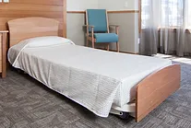
0 | Single |  | $500 | $450
0 | King Single |  | $600 | $550
0 | Side rails to suit the bed (to make a complete bedframe)
 | Linear |  | Qty 1 - 7 | Qty 8+
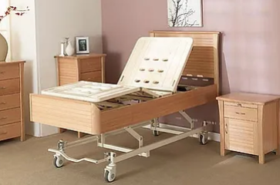
 | Solid timber head and feet to suit a wide range of beds
0 | Single Head and Foot |  | $702 | $585
0 | King Single Single Head and Foot |  | $748 | $623
0 | Single Complete Frame |  | $1,258 | $1,048
0 | King Single Complete Frame |  | $1,278 | $1,065
 | Tribeca |  | Qty 1 - 7 | Qty 8+
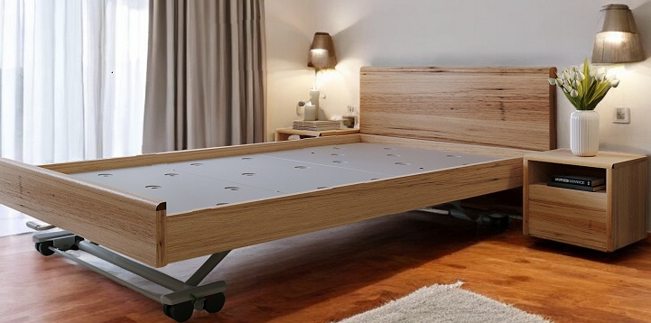
0 | Single |  | $930 | $775
0 | King Single |  | $964 | $803
0 | Double |  | $1,486 | $1,238
0 | Queen |  | $1,518 | $1,265
0 | Side rails to suit the bed (to make a complete bedframe) |  | $240 | $200
 | Elise Head and Foot with Upholstered head |  | Qty 1 - 7 | Qty 8+
 | Can be designed to suit a variety of Hi-Lo and Lo beds - this will require a sample head and foot, and possibly bed to be designed. Displayed in Wortley Quantum Hazelwood, but available in any fabric. | 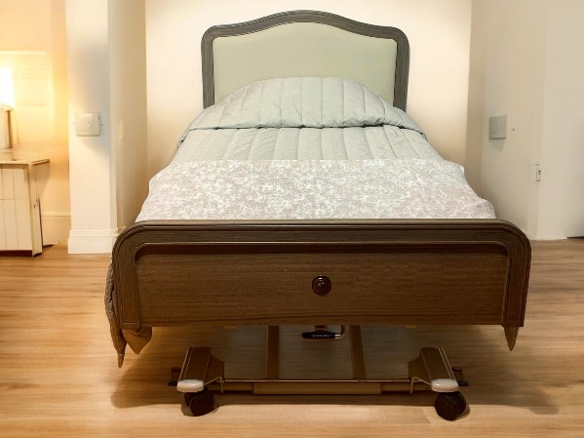
0 | Single |  | $1,230 | $1,025
0 | King Single |  | $1,350 | $1,125
0 | Side rails to suit the bed (to make a complete bedframe) |  | $240 | $200
 | Elise Timber Only |  | Qty 1 - 7 | Qty 8+
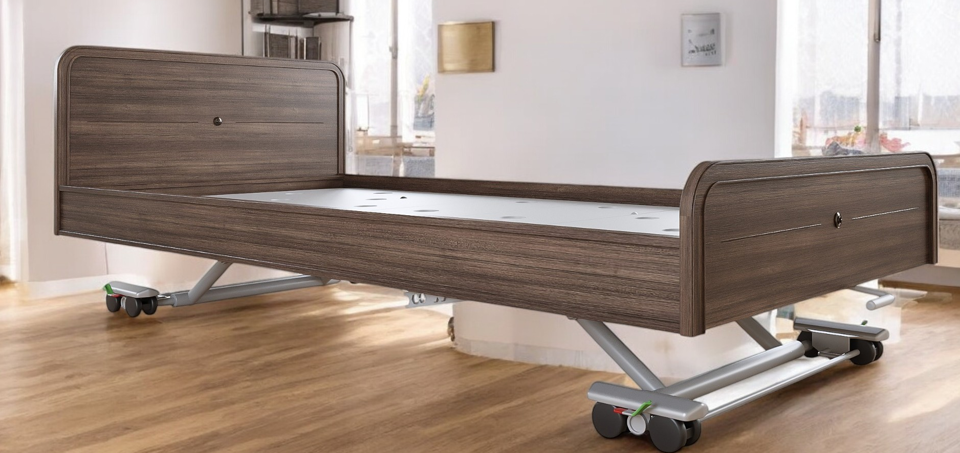
 | Can be designed to suit a variety of Hi-Lo and Lo beds - this will require a sample head and foot, and possibly bed to be designed.
0 | Single |  | $1,050 | $875
0 | King Single |  | $1,084 | $903
0 | Double |  | $1,620 | $1,350
0 | Queen |  | $1,652 | $1,377
0 | Side rails to suit the bed (to make a complete bedframe) |  | $240 | $200
0 |  |  |  | $-

