Activity Chairs
 |  |  |  |  | Activity Chair Price List
 |  |  |  |  |  |  |  |  |  |  | Discount
Type in your Qty Below | The fabrics below are just a small selection of what is available and suitable for aged care - there are many more available. Contact us for pricing for a specific fabric. |  | Click on the fabric name to see the fabric range. Select ONE tick box to build a quote based on quantity required |  |  |  |  |  |  | Totals will update automatically | 50+ - 5% 60+ - 6% 70+ 7% 80+ 8% | (Discount does not apply to fabric)

Quantity | Description | Image | Warwick Lustrell Vinyl | Wortley Studio Encore Vinyl | Medketen | Warwick Tritan Plains ($40) | Materialised Vista Vinyl | Hot off the Press on Zircon Zem | Premium Print on Zircon Zem | Make sure one fabric is ticked | FALSE
 | Dining Chairs |  | TRUE | FALSE | FALSE | FALSE | FALSE | FALSE | FALSE | Extended price based on $33 per metre | As per Qtys above
 |  |  | $33.00 | $35.00 | $38.00 | $40.00 | $70.00 | $89.00 | $110.00 |  | 0%
0 | Meteor 4 Legs - Stackable (without Arms) Optimal round, square or high back Optional black or chrome finish (Chrome add $50) 22mm tube frame Antimicrobial foam Supplied in 'standard fabric'. Other fabric options available to suite client specifications. Price may be affected. Available with 3 Back Types: - Medium / High / Square |  | $210.00 | $208.00 | $210.40 | $212.00 | $236.00 | $251.20 | $268.00 | $- | $-
0 | Meteor Sled Base - Stackable (without Arms) Optimal round, square or high back Optional black or chrome finish (Chrome add $50) 22mm tube frame Antimicrobial foam Supplied in 'standard fabric'. Other fabric options available to suite client specifications. Price may be affected. Available with 3 Back Types: - Medium / High / Square |  | $210.00 | $211.50 | $214.20 | $216.00 | $243.00 | $260.10 | $279.00 | $- | $-
0 | Meteor 4 Legs - Non Stackable with arms Optimal round, square or high back Optional black or chrome finish (Chrome add $50) 22mm tube frame Antimicrobial foam Supplied in 'standard fabric'. Other fabric options available to suite client specifications. Price may be affected. Available with 3 Back Types: - Medium / High / Square |  | $250.00 | $246.50 | $249.20 | $251.00 | $278.00 | $295.10 | $314.00 | $- | $-
0 | Meteor Sled Base - Non Stackable with arms Optimal round, square or high back Optional black or chrome finish (Chrome add $50) 22mm tube frame Antimicrobial foam Supplied in 'standard fabric'. Other fabric options available to suite client specifications. Price may be affected. |  | $250.00 | $246.50 | $249.20 | $251.00 | $278.00 | $295.10 | $314.00 | $- | $-
0 | Ara Sled 12mm Chrome Frame PolyProp Seat and Back, Available in Black, White Grey or Black |  | $120.00 | $120.00 | $120.00 | $120.00 | $120.00 | $120.00 | $120.00 | $- | $-
0 | Ara With Seat Pad Sled Base |  | $168.20 | $169.00 | $170.20 | $171.00 | $183.00 | $190.60 | $199.00 | $- | $-
0 | Chameleon Laminate - Stackable Sled Base Laminated Shell FSC Certified Chrome Tubular frame High Density Foam Seat Pan |  | $352.00 | $354.00 | $357.00 | $359.00 | $389.00 | $408.00 | $429.00 | $- | $-
0 | Chameleon Laminate - with arms (non stackable) Sled Base Laminated Shell FSC Certified Chrome Tubular frame High Density Foam Seat Pan |  | $352.00 | $354.00 | $357.00 | $359.00 | $389.00 | $408.00 | $429.00 | $- | $-
0 | Star Mesh - 4 Legs Upholstered Seat with Mesh back 22mm Tube Frame Black Powder Coat (Note chrome is pictured) Plastic Seat and Back Antimicrobial Foam Mesh Back Stackable |  | $221.20 | $222.00 | $223.20 | $224.00 | $236.00 | $243.60 | $252.00 | $- | $-
0 | Star Mesh- Sled Base Upholstered Seat with Mesh back 22mm Tube Frame Black Powder Coat (Note chrome is pictured) Plastic Seat and Back Antimicrobial Foam Mesh Back | 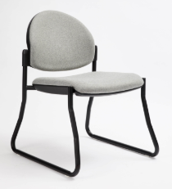 | $243.20 | $244.00 | $245.20 | $246.00 | $258.00 | $265.60 | $274.00 | $- | $-
0 | Star Round - 4 Legs Plastic / Upholstered seat and back Black Powder Coat (Note chrome is pictured) Plastic Seat and Back Antimicrobial Foam Mesh Back Stackable |  | $183.10 | $184.50 | $186.60 | $188.00 | $209.00 | $222.30 | $237.00 | $- | $-
0 | Star Round - 4 Legs Sled base Upholstered Seat and back 22mm Tube Frame Black Powder Coat (Note chrome is pictured) Plastic Seat and Back Antimicrobial Foam Stackable |  | $281.10 | $282.50 | $284.60 | $286.00 | $307.00 | $320.30 | $335.00 | $- | $-
0 | Star Round - 4 Legs Upholstered Seat and back 22mm Tube Frame Black Powder Coat (Note chrome is pictured) Plastic Seat and Back Antimicrobial Foam Stackable |  | $231.10 | $232.50 | $234.60 | $236.00 | $257.00 | $270.30 | $285.00 | $- | $-
 | Total Estimate (excluding GST and Freight |  |  |  |  |  |  |  |  | $- | $-

Chairs without arms
 |  |  |  |  |  |  | Dining Chair Price List

Comments: | Note: These chairs are mostly imported, so they have limited timber stains and fabrics. Some are available raw, and upholstery can be changed, but extra charges apply.

QTY | DESCRIPTION | IMAGE | Fabric / Veneer Seat Options | White Price | Metres | Price | Extended Price

0 | Bergen Chair - Fabric Seat 820H x 495W x 570D Seat Height 470 | 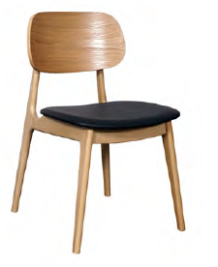 | 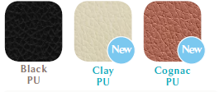 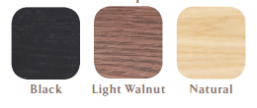 | $200.00 |  | $200.00 | $-
0 | Bergen Chair -Veneer Seat 820H x 495W x 570D Seat Height 470 | 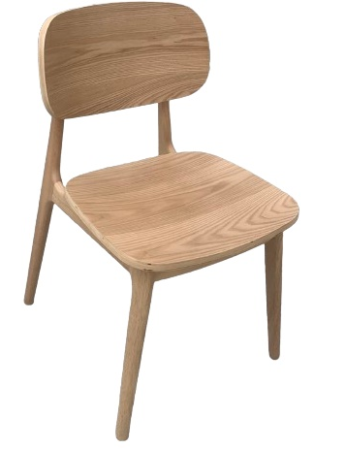 |  | $200.00 |  | $200.00 | $-
0 | Europa 850H x 460W x 560D Seat Height 470 | 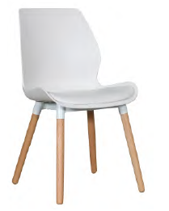 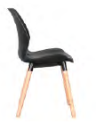 | 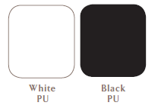 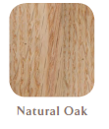 | $154.00 |  | $154.00 | $-
0 | Falkland *Commercially rated 820H x 500W x 590D Seat 470H Upholstered back and seat | 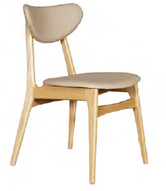 | 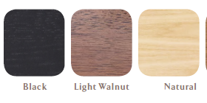 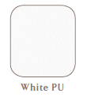  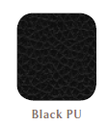 | $226.00 |  | $226.00 | $-
0 | Finland *Commercially rated 820H x 565W x 650D Veneer or upholstered seat ** Seats can be upholstered in your chosen fabric. * Please addd $100 plus fabric. | 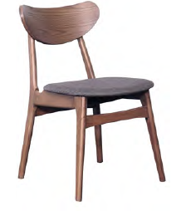 | 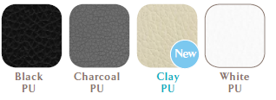 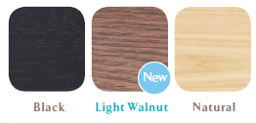 | $226.00 |  | $226.00 | $-
0 | Hendriks *Commercially rated 870H x 460W x 570D | 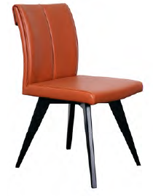 | 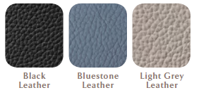 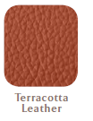 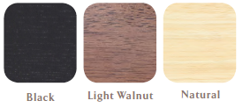 | $373.00 |  | $373.00 | $-
0 | Jade *Commercially rated 870H x 490W x 520D | 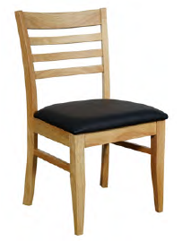 | 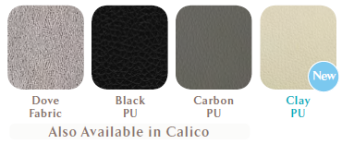 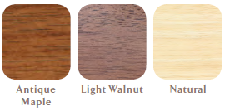 | $201.00 |  | $201.00 | $-
0 | Lisbon 830H x 490W x 530D x 650D | 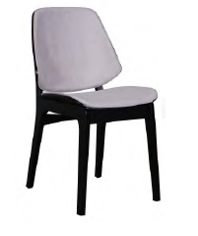 | 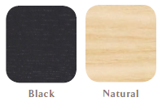 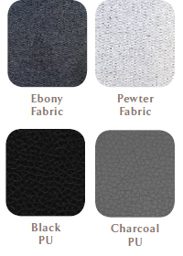 | $230.00 |  | $230.00 | $-
0 | Moon *Commercially rated 820H x 510W x 570D Seat Heiight 480 | 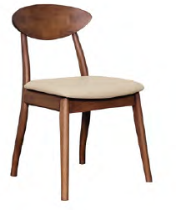 | 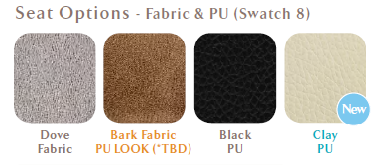 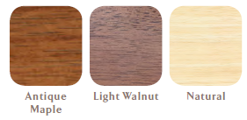 | $220.00 |  | $220.00 | $-
0 | Mustang *Commercially rated 900H x 450W x 520D Seat Height 480 Upholstered seat ** Seats can be upholstered in your chosen fabric. * Please addd $100 plus fabric. | 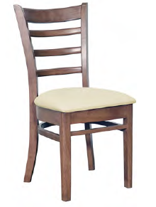 | 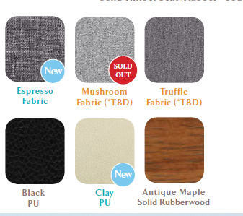 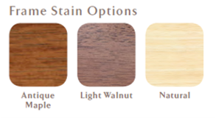 | $211.00 |  | $211.00 | $-
0 | Reim *Commercially rated 935H x 400W x 720D Seat Height 470 Upholstered seat | 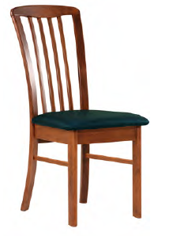 | 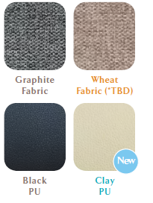 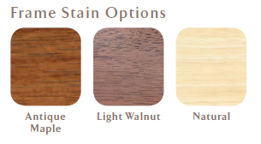 | $169.00 |  | $169.00 | $-
 | Balmoral Dining Chair European Beech Timber Frame - 880H x 600W x 580D - Seat: 470H x 490 x 570D - Arm Height 660mm - 1.6m fabric per chair Price from Sydney or Brisbane (Add approx $40 delivery to Melbourne) | 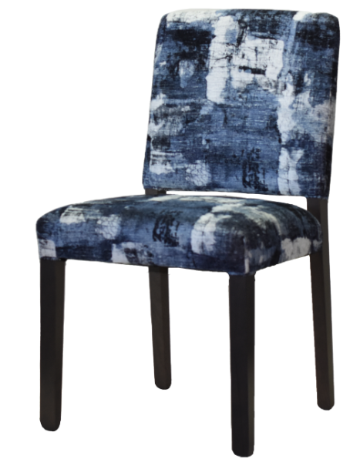 |  | $454.00 | 1 | $454.00 | $-
 | Mary European Beech Timber Frame - 900H - Seat: 480H x 500Wx 470D - Arm Height 660mm - 1.5m fabric per chair Price from Sydney or Brisbane (Add approx $40 delivery to Melbourne) | 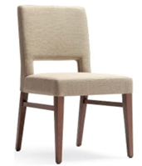 |  | $377.00 | 2 | $377.00 | $-
0 | Semifreddo Chair | 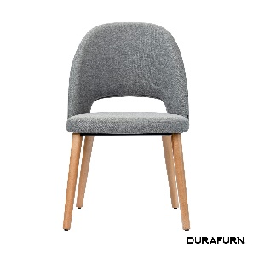 | Upholstered in house fabric or Velvet. Available in stock colours: Cruz Fabric - 7006 (Black), 9852( Charcoal), 9673 (Light Grey) or 9502 ( Taupe ) Velvet - Avocado or Denim | $407.00 |  | $407.00 | $-
0 | Semifreddo Chair | 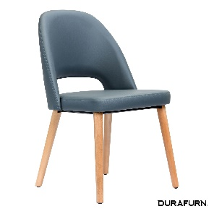 | Semifreddo Chair upholstered in house vinyl (Dolaro). Available in stock colours: A05 (Black), A23 (Taupe), SA4 (Anthracite) | $378.00 |  | $378.00 | $-
0 | Semifreddo Chair | 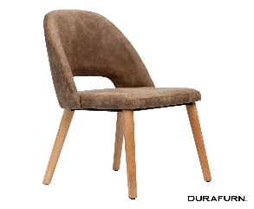 | Semifreddo Chair upholstered in premium vinyl (synthetic suede) Available in stock colours: Preston 24 (Tan), Preston 22 (Mocha) | $439.00 |  | $439.00 | $-
0 | Semifreddo Chair | 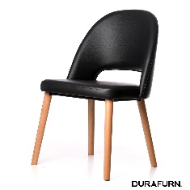 | Upholstered in your choice of fabric - based on price fabric @ $50 per metre | $292.00 | 1.5 | $292.00 | $-
 | Total Estimate (excluding GST and Freight |  |  |  |  |  | $-

- Prices exclude GST. GST will be added at 10%.
- A Surcharge may apply for small quantities.
Standard Terms:
- 30% deposit, balance 7 days from invoice unless otherwise agreed
- This quote is valid for 30 days

Dining Chairs with arms
 |  |  |  |  | Dining Chair Price List
 |  |  |  |  |  |  |  |  |  |  | Discount
Type in your Qty Below | The fabrics below are just a small selection of what is available and suitable for aged care - there are many more available. Contact us for pricing for a specific fabric. |  | Click on the fabric name to see the fabric range. Select ONE tick box to build a quote based on quantity required |  |  |  |  |  |  | Totals will update automatically | 50+ - 5% 60+ - 6%

Quantity | Description | Image | Warwick Lustrell Vinyl | Wortley Studio Encore Vinyl | Medketen Vinyl | Warwick Tritan Plains ($40) | Fabric Back Vinyl Seat | Hot off the Press on Zircon Zem | Premium Print on Zircon Zem | Make sure one fabric is ticked | Discount Offered
 | Dining Chairs |  | FALSE | TRUE | FALSE | FALSE | FALSE | FALSE | FALSE | Extended price based on $35 per metre | As per Qtys above
 |  |  | $33.00 | $35.00 | $38.00 | $40.00 | $50.00 | $75.00 | $110.00 |  | 0%
0 | Norlane (Imported) 'Solid timber frame with veneer or upholstered seat - Standard Colour Seats: Black, Clay, Congac, Pebble PU - Standard Stain Options: Natural, Light Walnut, Black Can be supplied in your choice of fabric. Price is $50 per chair plus fabric. | 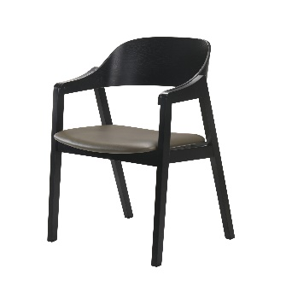 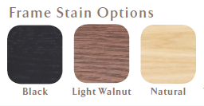 | $319.20 | $320.00 | $321.20 | $322.00 | $326.00 | $336.00 | $350.00 | $- | $-
0 | Manuela Full back Non Stackable European beech timber chair with 3/4 back suitable for dining, reception and activity areas. - 860mm H, 560mm W, 480mm D, 450mm SH - Price is for clear lacquer finish, add $15 to price for stained finish. - 0.8m fabric per chair. Price from Melbourne | 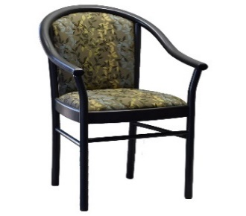 | $503.10 | $504.50 | $506.60 | $508.00 | $515.00 | $532.50 | $557.00 | $- | $-
0 | Manuela 3/4 Non Stackable European beech timber chair with 3/4 back suitable for dining, reception and activity areas, stackable, - 860mm H, 560mm W, 480mm D, 450mm SH - Price is for clear lacquer finish, add $15 to price for stained finish - - 0.80m fabric Price from Sydney or Brisbane (Add approx $40 delivery to Melbourne) | 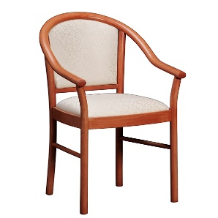 | $554.40 | $556.00 | $558.40 | $560.00 | $568.00 | $588.00 | $616.00 | $- | $-
0 | Converse Open back - Height 820 Width 540 Depth 570 - Seat Height 470 Seat Width 490 Seat Depth 550 - Arm Height 660mm - Price is for clear lacquer finish, add $15 to price for stained finish. - 0.75m fabric per chair. Made in Melbourne | 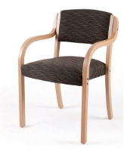 | $515.40 | $517.00 | $519.40 | $521.00 | $529.00 | $549.00 | $577.00 | $- | $-
0 | Converse Medium Back ' - Height 820 Width 540 Depth 570 - Seat Height 470 Seat Width 490 - Seat Depth 550 Arm Height 660mm - Price is for clear lacquer finish, add $15 to price for stained finish. - 1m fabric per chair. Made in Melbourne | 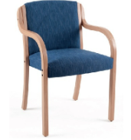 | $540.00 | $542.00 | $545.00 | $547.00 | $557.00 | $582.00 | $617.00 | $- | $-
0 | Converse High Back - 'Height 900 Width 540 Depth 570 - Seat Height 470 Seat Width 490 Seat Depth 550 - Arm Height 660mm - Price is for clear lacquer finish, add $15 to price for stained finish. - 1.5m fabric per chair. Made in Melbourne | 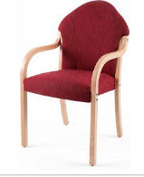 | $577.90 | $580.50 | $584.40 | $587.00 | $600.00 | $632.50 | $678.00 | $- | $-
0 | Gamma Non Stackable Solid European Beech timber frame with 3/4 back upholstered armchair. - 865H x 575W x585D. Seat 480H x 505W x 460D. AH 655. - Price is for clear lacquer finish, add $15 to price for stained finish. - 0.8m fabric per chair. Price from Sydney or Brisbane (Add approx $40 delivery to Melbourne) | 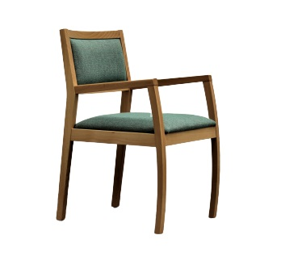 | $407.40 | $409.00 | $411.40 | $413.00 | $421.00 | $441.00 | $469.00 | $- | $-
0 | Gamma - Stackable 4 high Solid European Beech timber frame with 3/4 back upholstered armchair. - 865H x 575W x585D. Seat 480H x 505W x 460D. AH 655. - Price is for clear lacquer finish, add $15 to price for stained finish. - 0.8m fabric per chair. Price from Sydney or Brisbane (Add approx $40 delivery to Melbourne) | 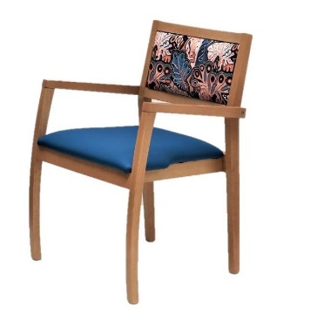 | $430.40 | $432.00 | $434.40 | $436.00 | $444.00 | $464.00 | $492.00 | $- | $-
0 | Lenny Timber Look Aluminium - Stackable 3 High Using metal woodgrain technology, our metal frame looks just like aluminium, which combines th enatural beauty of wood and the robustness and durability of metal. Price from Sydney (Add approx $40 delivery to Melbourne) |  | $428.00 | $430.00 | $433.00 | $435.00 | $445.00 | $470.00 | $505.00 | $- | $-
0 | Valeria Dining Chair European Beech Timber Frame - 920H x 600W x 580D - Seat: 510H x 500 x 405D - Arm Height 660mm - 1.6m fabric per chair Price from Sydney or Brisbane (Add approx $40 delivery to Melbourne) |  | $472.60 | $475.00 | $478.60 | $481.00 | $493.00 | $523.00 | $565.00 | $- | $-
0 | Rimini - Non Stackable Timber chair with 3/4 back, suitable for dining, reception or activity areas - 840mm H, 580mm W, 460mm D, 500mm SH - Price is for clear lacquer finish, add $15 to price for stained finish. - 0.8m fabric per chair. Price from Sydney or Brisbane (Add approx $40 delivery to Melbourne) |  | $462.40 | $464.00 | $466.40 | $468.00 | $476.00 | $496.00 | $524.00 | $- | $-
0 | Rimini - Non stackable, fully upholstered seat Timber chair with 3/4 back, suitable for dining, reception or activity areas - 840mm H, 580mm W, 460mm D, 500mm SH - Price is for clear lacquer finish, add $15 to price for stained finish. - 0.8m fabric per chair. Price from Sydney or Brisbane (Add approx $40 delivery to Melbourne) |  | $716.40 | $718.00 | $720.40 | $722.00 | $730.00 | $750.00 | $778.00 | $- | $-
0 | Flora Dining Chair Solid European Beech timber frame with 3/4 back upholstered armchair. - 825H x 578W x 465D - Seat 460H x 450W x 435D - Price is for clear lacquer finish, add $15 to price for stained finish. - 0.8m fabric per chair. Price from Sydney or Brisbane (Add approx $40 delivery to Melbourne) |  | $539.40 | $541.00 | $543.40 | $545.00 | $553.00 | $573.00 | $601.00 | $- | $-
0 | Rosetta Dining Chair - Stackable 4 high Solid European Beech timber frame with 3/4 back upholstered armchair. - 860H x 545W x 600D - Seat 480H x 480W x 465D. AH 650. - Price is for clear lacquer finish, add $15 to price for stained finish. - 0.8m fabric per chair. Price from Sydney or Brisbane (Add approx $40 delivery to Melbourne) |  | $516.40 | $518.00 | $520.40 | $522.00 | $530.00 | $550.00 | $578.00 | $- | $-
0 | Health Dining Chair - Stackable 4 high Solid European Beech timber frame with 3/4 back upholstered armchair. - 925H x 565W x585D. Seat 420H x 570W x 600D. AH 660. - Price is for clear lacquer finish, add $15 to price for stained finish. - 0.8m fabric per chair. Price from Sydney or Brisbane (Add approx $40 delivery to Melbourne) |  | $482.40 | $484.00 | $486.40 | $488.00 | $496.00 | $516.00 | $544.00 | $- | $-
0 | Marta - Stackable or non stackable Solid European Beech timber frame with 3/4 back upholstered armchair. - 880H x 575W x595D. Seat 480H x 500W x 480D. AH 648. - Price is for clear lacquer finish, add $15 to price for stained finish. - 0.8m fabric per chair. Price from Sydney or Brisbane (Add approx $40 delivery to Melbourne) |  | $504.40 | $506.00 | $508.40 | $510.00 | $518.00 | $538.00 | $566.00 | $- | $-
10 | Martina - Stackable or non stackable Solid European Beech timber frame with 3/4 back upholstered armchair. - 860H x 565W x565D. Seat 485H x 500W x 490D. AH 650. - Price is for clear lacquer finish, add $15 to price for stained finish. - 0.8m fabric per chair. Price from Sydney or Brisbane (Add approx $40 delivery to Melbourne) |  | $504.40 | $506.00 | $508.40 | $510.00 | $518.00 | $538.00 | $566.00 | $5,060.00 | $5,060.00
0 | Stephanie - Stackable 4 High Solid European Beech timber frame with 3/4 back upholstered armchair. - 860H x 565W x565D. Seat 460H x 475W x 440D. AH 650. - Price is for clear lacquer finish, add $15 to price for stained finish. - 0.8m fabric per chair. Price from Sydney or Brisbane (Add approx $40 delivery to Melbourne) |  | $496.40 | $498.00 | $500.40 | $502.00 | $510.00 | $530.00 | $558.00 | $- | $-
0 | Stephanie with Front Castors - Stackable 4 High Solid European Beech timber frame with 3/4 back upholstered armchair. - 860H x 565W x565D. Seat 460H x 475W x 440D. AH 650. - Price is for clear lacquer finish, add $15 to price for stained finish. - 0.8m fabric per chair. Price from Sydney or Brisbane (Add approx $40 delivery to Melbourne) |   | $543.40 | $545.00 | $547.40 | $549.00 | $557.00 | $577.00 | $605.00 | $- | $-
0 | Stephanie - Non Stackable Solid European Beech timber frame with 3/4 back upholstered armchair. - 860H x 565W x565D. Seat 460H x 475W x 440D. AH 650. - Price is for clear lacquer finish, add $15 to price for stained finish. - 0.8m fabric per chair. Price from Sydney or Brisbane (Add approx $40 delivery to Melbourne) |  | $482.40 | $484.00 | $486.40 | $488.00 | $496.00 | $516.00 | $544.00 | $- | $-
0 | Stephanie - Non Stackable with Castors Solid European Beech timber frame with 3/4 back upholstered armchair. - 860H x 565W x565D. Seat 460H x 475W x 440D. AH 650. - Price is for clear lacquer finish, add $15 to price for stained finish. - 0.8m fabric per chair. Price from Sydney or Brisbane (Add approx $40 delivery to Melbourne) |  | $543.40 | $545.00 | $547.40 | $549.00 | $557.00 | $577.00 | $605.00 | $- | $-
0 | Stephanie Bariatric Solid European Beech timber frame with 3/4 back upholstered armchair. - 860H x 710W x565D. - Seat 485H x 630W x 495D. - Arm Height: 650. - Price is for clear lacquer finish, add $15 to price for stained finish. - 0.8m fabric per chair. Price from Sydney or Brisbane (Add approx $40 delivery to Melbourne) |  | $694.25 | $696.75 | $700.50 | $703.00 | $715.50 | $746.75 | $790.50 | $- | $-
0 | Balmoral European Beech Timber Frame - 880H x 600W x 580D - Seat: 470H x 490 x 570D - Arm Height 660mm - 1.6m fabric per chair Price from Sydney or Brisbane (Add approx $40 delivery to Melbourne) |  | $574.80 | $578.00 | $582.80 | $586.00 | $602.00 | $642.00 | $698.00 | $- | $-
0 | Mary European Beech Timber Frame - 900H - Seat: 480H x 500Wx 470D - Arm Height 660mm - 1.5m fabric per chair Price from Sydney or Brisbane (Add approx $40 delivery to Melbourne) |  | $511.50 | $514.50 | $519.00 | $522.00 | $537.00 | $574.50 | $627.00 | $- | $-
0 | Fleming Dining Chair Solid European Beech timber frame with 3/4 back upholstered armchair. - Price is for clear lacquer finish, add $15 to price for stained finish. - 1.2m fabric per chair. Made in Melbourne |  | $654.60 | $657.00 | $660.60 | $663.00 | $675.00 | $705.00 | $747.00 | $- | $-
0 | Jane Dining Chair Solid European Beech timber frame with 3/4 back upholstered armchair. - Price is for clear lacquer finish, add $15 to price for stained finish. - 0.75m fabric per chair. Made in Melbourne |  | $684.75 | $686.25 | $688.50 | $690.00 | $697.50 | $716.25 | $742.50 | $- | $-
0 | Amy Dining Chair Solid Victorian Ash timber frame with 3/4 back upholstered armchair. - 900H X 550W X 585D. Seat 500 x 490W x 490D. - Price is for clear lacquer finish, add $15 to price for stained finish. - 0.6m fabric per chair. Made in Melbourne |  | $700.80 | $702.00 | $703.80 | $705.00 | $711.00 | $726.00 | $747.00 | $- | $-
0 | Amy Bariatric Dining Chair - Extra Wide Solid Victorian Ash timber frame with 3/4 back upholstered armchair. - 900H X 690W X 585D. Seat 500H x 600W x 460D. - Price is for clear lacquer finish, add $15 to price for stained finish. - 0.8m fabric per chair. Made in Melbourne |  | $1,076.00 | $1,092.00 | $1,116.00 | $1,132.00 | $1,212.00 | $1,412.00 | $1,692.00 | $- | $-
0 | Oakley Fully Upholstered Carver Dining Chair Traditional style upholstered and timber dining chair with stud feature on chair seat Available in a range of stained finishes and your choice of upholstery - Australian made - 1000mm H, 580mm W, 630mm - 1.2m fabric Made in Melbourne |  | $777.00 | $779.00 | $782.00 | $784.00 | $794.00 | $819.00 | $854.00 | $- | $-
0 | Oakley 3/4 Back Carver Dining Chair Traditional style upholstered and timber dining chair with stud feature on chair seat Available in a range of stained finishes and your choice of upholstery - Australian made - 1000mm H, 580mm W, 630mm - 1.2m fabric Made in Melbourne |  | $835.25 | $837.75 | $841.50 | $844.00 | $856.50 | $887.75 | $931.50 | $- | $-
0 | Provincial Dining Chair Traditional style upholstered and timber dining chair with stud feature on chair seat Available in a range of stained finishes and your choice of upholstery - Australian made - 1000mm H, 580mm W, 630mm D - 1.2m fabric Made in Melbourne |  | $714.00 | $716.00 | $719.00 | $721.00 | $731.00 | $756.00 | $791.00 | $- | $-
0 | Provence Dining Chair Traditional style upholstered and timber dining chair with stud feature on chair seat Available in a range of stained finishes and your choice of upholstery - Australian made - 1100mm H, 580mm W, 630mm D - 1.2m fabric Made in Melbourne |  | $830.00 | $832.00 | $835.00 | $837.00 | $847.00 | $872.00 | $907.00 | $- | $-
0 | Sylvie Dining Chair European Beech Timber Frame - 770H x 630W x 590D - Seat: 490H - Arm Height 710 - 1.8m fabric per chair - Price from Sydney or Brisbane (Add approx $50 delivery to Melbourne) |  | $832.00 | $836.00 | $842.00 | $846.00 | $866.00 | $916.00 | $986.00 | $- | $-
0 | Arlo Dining Chair European Beech Timber Frame - 770H x 630W x 590D - Seat: 490H - Arm Height 710 - 1.8m fabric per chair - Price from Sydney or Brisbane (Add approx $50 delivery to Melbourne) |  | $884.60 | $887.00 | $890.60 | $893.00 | $905.00 | $935.00 | $977.00 | $- | $-
0 | Round Back Dining Chair Traditional style upholstered and timber dining chair with stud feature on chair seat Available in a range of stained finishes and your choice of upholstery - European Frame ustralian made Made in Melbourne |  | $881.75 | $883.25 | $885.50 | $887.00 | $894.50 | $913.25 | $939.50 | $- | $-
0 | Winston Back Dining Chair Traditional style upholstered and timber dining chair with stud feature on chair seat Available in a range of stained finishes and your choice of upholstery - European Frame ustralian made Made in Melbourne |  | $910.75 | $912.25 | $914.50 | $916.00 | $923.50 | $942.25 | $968.50 | $- | $-
 | Total Estimate (excluding GST and Freight |  |  |  |  |  |  |  |  | $5,060.00 | $5,060.00
- Prices exclude GST. GST will be added at 10%.
- A Surcharge may apply for small quantities.
Standard Terms:
- 30% deposit, balance 7 days from invoice unless otherwise agreed
- This quote is valid for 30 days

Aluminium Range
 |  |  |  |  | Timber Look Aluminium Price List
 |  |  |  |  |  |  |  |  |  |  | Discount
Type in your Qty Below | The fabrics below are just a small selection of what is available and suitable for aged care - there are many more available. Contact us for pricing for a specific fabric. |  | Click on the fabric name to see the fabric range. Select ONE tick box to build a quote based on quantity required |  |  |  |  |  |  | Totals will update automatically | 50+ - 5% 60+ - 6%

Quantity | Description | Image | Warwick Lustrell Vinyl | Wortley Studio Encore Vinyl | Medketen Vinyl | Warwick Tritan Plains ($40) | Fabric Back Vinyl Seat | Hot off the Press on Zircon Zem | Premium Print on Zircon Zem | Make sure one fabric is ticked | Discount Offered
 | Dining Chairs |  | FALSE | TRUE | FALSE | FALSE | FALSE | FALSE | FALSE | Extended price based on $35 per metre | As per Qtys above
 |  |  | $33.00 | $35.00 | $38.00 | $40.00 | $60.00 | $89.00 | $105.00 |  | 8%
0 | Lenny Timber Look Aluminium - Stackable 3 High Using metal woodgrain technology, our metal frame looks just like aluminium, which combines th enatural beauty of wood and the robustness and durability of metal. Price from Sydney (Add approx $40 delivery to Melbourne) Walnut |  | $428.00 | $430.00 | $433.00 | $435.00 | $455.00 | $484.00 | $500.00 | $- | $-
0 | Lenny Timber Look Aluminium - Stackable 3 High Using metal woodgrain technology, our metal frame looks just like aluminium, which combines th enatural beauty of wood and the robustness and durability of metal. Price from Sydney (Add approx $40 delivery to Melbourne) Beech |  | $428.00 | $430.00 | $433.00 | $435.00 | $455.00 | $484.00 | $500.00 | $- | $-
0 |  Lenny Timber Look Aluminium - Stackable 3 High Using metal woodgrain technology, our metal frame looks just like aluminium, which combines th enatural beauty of wood and the robustness and durability of metal. Price from Sydney (Add approx $40 delivery to Melbourne) Oak |  | $428.00 | $430.00 | $433.00 | $435.00 | $455.00 | $484.00 | $500.00 | $- | $-
0 | Holly Timber Look Aluminium - Stackable 3 High Using metal woodgrain technology, our metal frame looks just like aluminium, which combines th enatural beauty of wood and the robustness and durability of metal. Price from Sydney (Add approx $40 delivery to Melbourne) Oak / Beech |  | $428.00 | $430.00 | $433.00 | $435.00 | $455.00 | $484.00 | $500.00 | $- | $-

0 | Lenny Timber Look Alumnium Dining Table 900 x 900 Aluminium Frame with matching laminate tops |  | $550.00
 | Lenny Timber Look Alumnium Dining Table 1000 x 1000 Aluminium Frame with matching laminate tops |  | $594.00
 |  |  |  |  |  |  |  |  |  | $- | $-

Dining Tables
 |  |  |  | Australian Made Dining Table Price List
Comments: | All furniture quoted in this worksheet Australian Made and is available in your choice of stain.
Warranty: | All of these tables are supplied with a 5 year warranty.

QTY | DESCRIPTION | IMAGE | Unit Price | Sub-Total

 | LENNY ALUMINIUM FRAME LAMINATE TOP TABLE, with straight frame and Laminate Top: - Aluminium Frame - 25mm laminate top (standard laminates), radiused corners to eliminate sharp edges, square tapered legs. * Available as Flat Pack.
0 | 900 x 900 |  | $550.00 | $-
0 | 1000 x 1000 |  | $594.00 | $-
0 | 1500 x 1000 |  | Coming soon
0 | 1800 x 1000 ($100 per table surcharge for qty less than 4) |  | Coming soon
 | EURO BEECH LAMINATE TOP TABLE, with straight frame Laminate Top, European Beech Frame, no cutouts - Sollid European Beech base - 25mm laminate top (standard laminates), radiused corners to eliminate sharp edges, square tapered legs. - Square tapered legs * Note: not available as Flat Pack. Supplied fully assembled Under Table Clearance: 698mm

0 | 900 x 900 ($100 per table surcharge for qty less than 4) |  | $750.00 | $-
0 | 1000 x 1000 ($100 per table surcharge for qty less than 4) |  | $790.00 | $-
0 | 1500 x 1000 ($100 per table surcharge for qty less than 4) |  | $980.00 | $-
0 | 1800 x 1000 ($100 per table surcharge for qty less than 4) |  | $1,200.00 | $-
0 | 2200 x 1000 ($100 per table surcharge for qty less than 4) |  | $1,682.00 | $-
 | OPTIONAL: Adjustable Glides $40 per table |  |  | $-
 | CARRINGTON SCALLOPED FRAME WITH LAMINATE TOP - Solid European Beech timber dining table base - 25mm Laminate top (standard laminates), radiused corners to eliminate sharp edges, - Square tapered legs. * These tables can be supplied as Flat pack to save on freight

0 | 900 x 900 ($100 per table surcharge for qty less than 4) |  | $820.00 | $-
0 | 1000 x 1000 ($100 per table surcharge for qty less than 4) |  | $850.00 | $-
0 | 1500 x 1000 ($100 per table surcharge for qty less than 4) |  | $995.00 | $-
0 | 1800 x 1000 ($100 per table surcharge for qty less than 4) |  | $1,250.00 | $-
0 | 2200 x 1000 ($100 per table surcharge for qty less than 4) |  | $1,680.00 | $-
 | OPTIONAL: Adjustable Glides $40 per table |  |  | $-
 | HIGH CLEARANCE TABLE - EUROPEAN LEGS WITH LAMINATE TOP - Solid European Beech timber LEGS ONLY attached to a 25mm laminate top (standard laminates), radiused corners to eliminate sharp edges - Square tapered legs. * Note - Available as flat pack

0 | 1000 x 1000 ($100 per table surcharge for qty less than 4) |  | $763.00 | $-
0 | 1500 x 1000 ($100 per table surcharge for qty less than 4) |  | $906.00 | $-
0 | 1800 x 1000 ($100 per table surcharge for qty less than 4) |  | $993.00 | $-
 | OPTIONAL: Adjustable Glides $40 per table |  |  | $-
 | OXO SOLID TIMBER TOP TABLE, with straight frame: - Sollid timber base and 25mm - Solid timber top top (standard laminates), radiused corners to eliminate sharp edges, - square legs * Note: not available as Flat Pack

0 | 1000 x 1000 ($100 per table surcharge for qty less than 4) |  | $1,078.00 | $-
0 | 1500 x 1000 ($100 per table surcharge for qty less than 4) |  | $1,342.00 | $-
0 | 1800 x 1000 ($100 per table surcharge for qty less than 4) |  | $1,400.00 | $-
 | OPTIONAL: Adjustable Glides $40 per table |  |  | $-
 | NOVA SOLID TIMBER DINING TABLE - VIC ASH Solid Victorian Ash Australian timber dining table with 22mm top with bullnose edhe and rounded corners. 750H with adjustable feet to allow for uneven floors. Available in a wide range of stains and custom sizes available
0 | 1000 x 1000 |  | $1,073.00 | $-
0 | 1800 x 1000 |  | $1,714.00 | $-
 | OPTIONAL: Adjustable Glides $40 per table |  |  | $-
 | DALLAS PEDESTAL CROSS BASE TVENUSXBASE Cross Base Pedestal Dining Table with laminate top 750H with adjustable feet to allow for uneven floors. Available in a wide range of stains and custom sizes available | With Laminate Top

0 | 900 Diameter |  | $1,119.00 | $-
0 | 1000 Diameter |  | $1,197.00 | $-
0 | 1200 Diameter |  | $1,250.00 | $-
0 | 1500 Diameter |  | $1,742.00 | $-
 | OPTIONAL: Adjustable Glides $40 per table |  |  | $-
 | DELTA DINING TABLE Cross Base Pedestal Dining Table with laminate top 750H with adjustable feet to allow for uneven floors. Available in a wide range of stains and custom sizes available | With Laminate Top

0 | 900 Diameter |  | $1,255.00 | $-
0 | 1000 Diameter |  | $1,255.00 | $-
0 | 1200 Diameter |  | $1,355.00 | $-
0 | 1500 Diameter |  | $1,455.00 | $-
 | DRUM BASE - Smooth Finish or Fluted Drum Base with a Smooth Finish | With Laminate Top

0 | 900 Diameter |  | $2,076.00 | $-
0 | 1000 Diameter |  | $2,076.00 | $-
0 | 1200 Diameter |  | $2,100.00 | $-
0 | 1500 Diameter |  | $2,256.00 | $-
 | DRUM BASE - Beaded FInish Drum Base with a Smooth Finish | With Laminate Top

0 | 900 Diameter |  | $2,376.00 | $-
0 | 1000 Diameter |  | $2,376.00 | $-
0 | 1200 Diameter |  | $2,400.00 | $-
0 | 1500 Diameter |  | $2,556.00 | $-
 | TRADITIONAL PEDESTAL BASE TVENUS-P Victorian Ash veneer timber dining table with 22mm top with plinth. 750H with adjustable feet to allow for uneven floors. Available in a wide range of stains and custom sizes available

0 | 900 Diameter |  | $1,346.00 | $-
0 | 1000 Diameter |  | $1,346.00 | $-
0 | 1200 Diameter |  | $1,456.00 | $-
0 | 1500 Diameter |  | $1,896.00 | $-
 | VENUS VENEER TIMBER DINING TABLE Victorian Ash veneer timber dining table with 22mm top. 750H with adjustable feet to allow for uneven floors. Available in a wide range of stains and custom sizes available
0 | 1200 x 1200 |  | $1,177.00 | $-
0 | 1800 x 1200 |  | $1,354.00 | $-
 | Total Estimate (excluding GST and Freight |  | SUB TOTAL | $-
- Prices exclude GST. GST will be added at 10%.
- A Surcharge may apply for small quantities.
Standard Terms:
- 30% deposit, balance 7 days from invoice unless otherwise agreed
- This quote is valid for 30 days

Imported Tables
 |  |  |  | Imported Dining Table Price List
 |  |  |  | LEAD TIMES
 |  |  |  | 6-8 weeks
Comments: | These products are imported, so are available in a limited range of colours. All products here are commercially rated

QTY | DESCRIPTION | IMAGE | Unit Price | Sub-Total

 | YORK DINING TABLES Supplied Knockdown Material: Rubberwood
0 |  1200D Roundx 750H |  | $825.00 | $-
0 |  2100 x 1050 x 750 |  | $1,111.00 | $-
 | TINA DINING TABLES Supplied Knockdown Material: Rubberwood
0 |  750 X 750 |  | $337.00 | $-
0 | 1200 X 750 |  | $460.00 | $-
 | Total Estimate (excluding GST and Freight |  |  | $-

- Prices exclude GST. GST will be added at 10%.
- A Surcharge may apply for small quantities.
Standard Terms:
- 30% deposit, balance 7 days from invoice unless otherwise agreed
- This quote is valid for 30 days

Cafe Tables Bases
 |  |  |  | Café Table Bases
 |  |  |  | LEAD TIMES
 |  |  |  | 6-8 weeks
Comments: | All furniture quoted in this worksheet Australian Made and is available in your choice of stain.
Warranty: | All of these tables are supplied with a 5 year warranty.

QTY | DESCRIPTION | IMAGE | Unit Price | Sub-Total
0 | Durafurn Square Table Base Discover the Square 50 Table Base. Crafted from high-grade cast iron, this table base boasts a 500SQ footprint complemented by a 450x450mm top cross. Its sleek black powder-coated finish exudes modern elegance, making it a versatile fit for diverse decor themes. |  | $- | $-
0 | 40 cm Base - Suitable for 600D top to 800 square |  | $125.00 | $-
0 | 50cm Base - Suitable for 600D top to 800 square |  | $145.00 | $-
0 | Durafurn Disco Table Base - Black / White a robust and stylish addition to any commercial space designed to elevate your dining experience. Crafted from sturdy cast iron with a sleek black powder-coated finish, this table base exudes durability and sophistication, making it the perfect choice for cafes, restaurants, and bistros alike.. |  |  | $-
0 | 450D Base |  | $130.00 | $-
0 | 600D Base |  | $155.00 | $-
0 | Durafurn Disco Table Base - Black & Gold / White & Gold a robust and stylish addition to any commercial space designed to elevate your dining experience. Crafted from sturdy cast iron with a sleek black powder-coated finish, this table base exudes durability and sophistication, making it the perfect choice for cafes, restaurants, and bistros alike. |  |  | $-
0 | 450D Base |  | $165.00 | $-
0 | 600D Base |  | $195.00 | $-
0 | DELIVERY TBA |  | $- | $-
 |  |  | SUB TOTAL | $-
 |  |  | GST AMOUNT | $-
 |  |  | TOTAL | $-

