Coffee Tables
 |  |  |  | Coffee Table Price List
 |  |  | DATE: | 2026-04-17

Phone: 03 9408 9710 Email: sales@wentworthcare.com.au
Quotation For:

 |  |  |  | LEAD TIME
 |  |  |  | 6-8 weeks

Comments: | All Australian Made products are available in your choice of stain and can be customised. (Unless otherwise specified)
 | 40

QUANTITY | DESCRIPTION | IMAGE | Unit Price | Sub-Total
 | COFFEE TABLES, Suitable for Commercial (Imported) - Subject to available stock - please check stock
0 | Quad Coffee Table 1000 (Imported) Quad rectangle coffee table with shelf, suitable for commercial use. Rubberwood timber available in Natural, Antique Maple or Teak. 1000 x 540 x 430H (Check stock before ordering) | 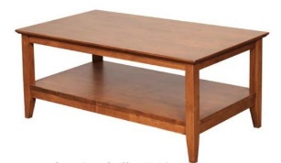 | $276.00 | $-
0 | Quad rectangle lamp table with shelf (Imported), suitable for commercial use. Rubberwood timber available in Natural, Antique Maple or Teak. 500 x 400 x 600H (Check stock before ordering) | 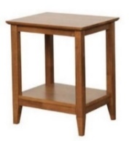 | $180.00 | $-
0 | Quad round lamp table with shelf (Imported), suitable for commercial use. Rubberwood timber available in Natural, Antique Maple or Teak. 500 Diameter x 600H (Check stock before ordering) | 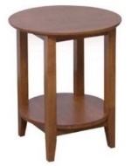 | $180.00 | $-
0 | Quad nest of coffee tables (Imported), suitable for commercial use. Rubberwood timber available in Natural, Antique Maple or Teak. 550 x 400 x510 (Check stock before ordering) | 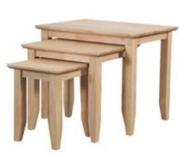 | $190.00 | $-
 | NOVA COFFEE TABLE Solid Victorian Ash, Australian Made 19mm top (Diameter x Height) Other sizes available | Laminate Tops and solid timber Tapered Legs
0 | 400D x 650H (Square or round) Price with Solid timber top $548 | 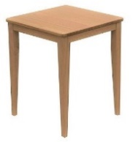 | $380.00 | $-
0 | 500D x 650H (Square or round) Price with Solid timber top $590 |  | $400.00 | $-
0 | 600D X 650H (Square or round) Price with Solid timber top $595 | 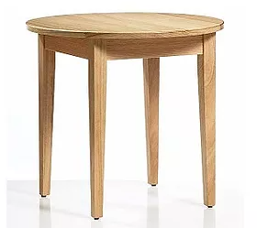 | $420.00 | $-
 | SIENNA CROSS BASE COFFEE TABLE Solid Victorian Ash, Australian Made Other sizes available | Laminate Tops and Solid timber Cross Base
0 | 400D x 500H Price with Solid timber top $526 |  | $450.00 | $-
0 | 450D x 600H Price with Solid timber top $537 |  | $496.00 | $-
0 | 500D x 500H Price with Solid timber top $580 |  | $506.00 | $-
0 | 500D x 600H Price with Solid timber top $592 |  | $520.00 | $-
0 | 900D x 500H | 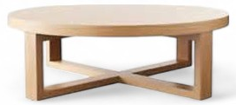 | $1,017.00 | $-
 | SIENNA CROSS BASE COFFEE TABLE - SQUARE Solid Victorian Ash, Australian Made Other sizes available | Solid timber Top (Laminate available)
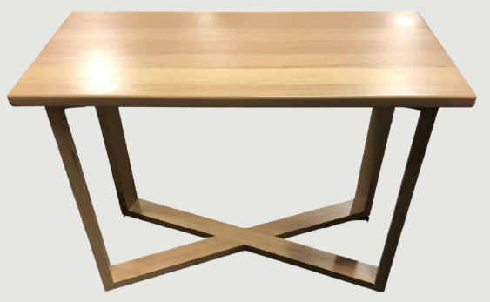
0 | 600 X 600 x 500H |  | $706.00 | $-
0 | 900w x 500w x 500H (rectangle) |  | $817.00 | $-
0 | Hall Table - 1000w x 450L x 750H |  | $892.00 | $-
 | CALLAN OVAL CROSS BASE COFFEE TABLE Solid Victorian Ash, Australian Made (Length x Width x Height) Other sizes available | Solid timber Top (Laminate available)
0 | 900 x 500 x 550H |  | $895.00 | $-
0 | 1200 x 600 x 550 |  | $995.00 | $-
0 | 1200 x 750 x 500 |  | $928.00 | $-
 | CARLA COFFEE TABLE Solid Victorian Ash, Australian Made, (Diameter x Height) Other sizes available | Solid timber Top (Laminate available)
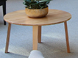
0 | 450D x 450H |  | $560.00 | $-
0 | 500D x 650H |  | $662.00 | $-
0 | 900D x 500H |  | $873.00 | $-
0 | 1000D x 500H |  | $972.00 | $-
 | LUNA COFFEE TABLE Solid Victorian Ash, Australian Made, (Diameter x Height) Other sizes available | Solid timber Top (Laminate available)
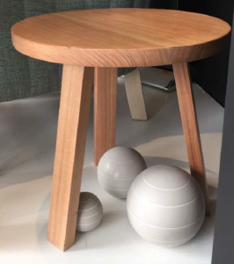
0 | 450D x 550H |  | $564.00 | $-
0 | 500D x 600H |  | $598.00 | $-
0 | 900D x 450H |  | $945.00 | $-
 | XENOS COFFEE TABLE Solid Victorian Ash, Australian Made (Diameter x Height) Other sizes available Available with straight or angled legs | Solid timber Top (Laminate available)
0 | 450D x 550H | 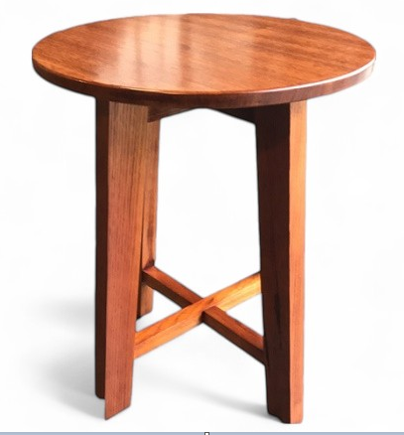 | $495.00 | $-
0 | 500D x 600H |  | $575.00 | $-
0 | 600D x 500H | 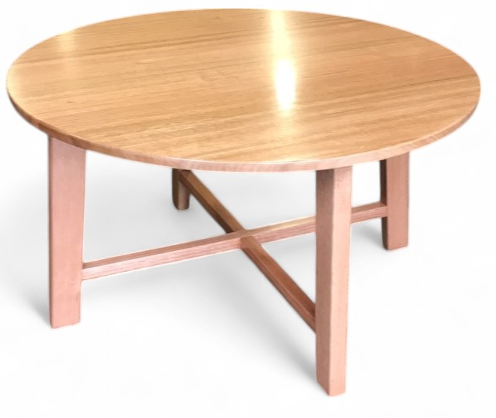 | $646.00 | $-
0 | 900D x 500H |  | $816.00 | $-
 | SABI COFFEE TABLE - Other Sizes available Solid Victorian Ash, Australian Made (Diameter x Height) Other sizes available | Solid timber Top (Laminate available) |  | $-
0 | 550 x 600H | 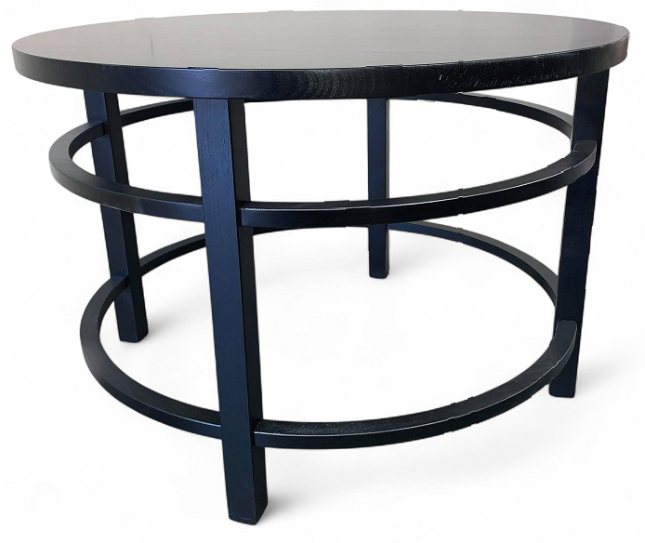 | $1,079.00 | $-
0 | 900D x 600H |  | $1,250.00 | $-
 | VENUS VENEER COFFEE TABLE - Laminate top Solid Victorian Ash Legs Australian Made, 19mm top (Diameter x Height) | Laminate Tops and solid timber Tapered Legs (Solid timber tops available)
0 | 900 x 500 No Shelf |  | $500.00 | $-
 | 1200 x 600 No Shelf | 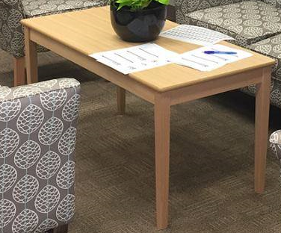 | $600.00 | $-
0 | 900 x 500 With magazine shelf |  | $700.00 | $-
0 | 1200 x 600 With magazine shelf | 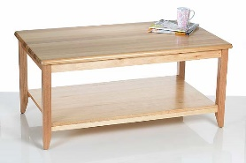 | $800.00 | $-
 | STORK American White Ash (Diameter x Height) Other sizes available | Solid timber Top (Laminate available)
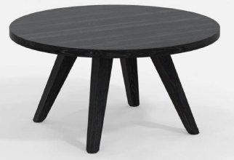
0 | 800D x 400H |  | $1,295.00 | $-
0 | 800D x 500H |  | $1,329.00 | $-
0 | 900D x 400H |  | $1,350.00 | $-
0 | 900D x 500H |  | $1,494.00 | $-
 | RANI COLLECTION - Other Sizes available Solid Victorian Ash, Australian Made (Diameter x Height) Other sizes available | Solid timber Top (Laminate available) |  | $-
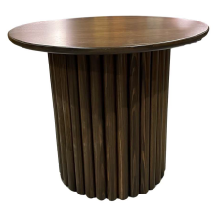
0 | 600D X 500H - Round Top |  | $895.00 | $-
 | 800D x 400W x400H Oval Top |  | $1,137.00
0 | 900D x 500H - Round Top |  | $1,353.00 | $-
0 | DELIVERY TBA |  | $- | $-
Price excludes freight.
All furniture is shipped from Melbourne.
A Surcharge may apply for small quantities.
Standard Terms:
- 30% deposit, balance 7 days from invoice unless otherwise agreed
- This quote is valid for 30 days
 |  |  | SUB TOTAL | $-
 |  |  | GST RATE | 10.00%
 |  |  | GST AMOUNT | $-
 |  |  | TOTAL | $-

$180.00

Hall Tables
 |  |  |  | Coffee Table Price List
 |  |  | DATE: | 2026-04-17

Phone: 03 9408 9710 Email: sales@wentworthcare.com.au
Quotation For:

 |  |  |  | LEAD TIME
 |  |  |  | 6-8 weeks

Comments: | All Australian Made products are available in your choice of stain and can be customised. (Unless otherwise specified)
 | 40

QUANTITY | DESCRIPTION | IMAGE | Unit Price | Sub-Total
 | Symmetry - No Drawer | 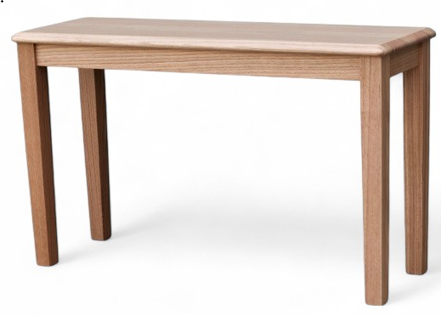
0 | 900 x 450 x 820 |  | $610.00 | $-
0 | 1200 x 450 x 850 |  | $852.00 | $-
0 | 1500 x 400 x 800 |  | $900.00 | $-
0 | 1800 x 500 x 850 |  | $1,074.00 | $-
 | Symmetry - 1 Drawer | 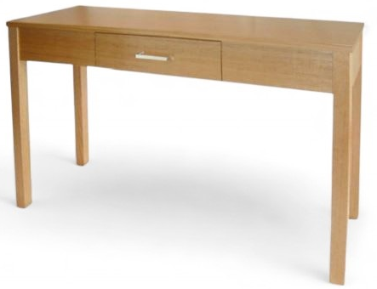
0 | 1000 x 450 x 750 |  | $914.67 | $-
0 | 1200 x 450 x 850 |  | $1,018.67 | $-
 | Symmetry - 2 Drawer | 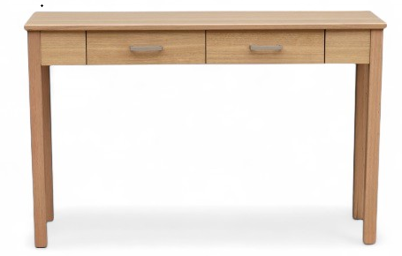
0 | 1200 x 450 x 800 |  | $1,072.00 | $-
0 | 1800 x 500 x 900 |  | $1,110.67 | $-
 | Harlowe - Solid Vic Ash Base | 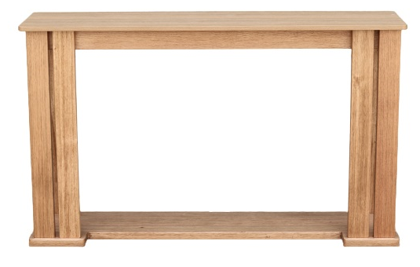
0 | 1000W x 350D x 900H |  | $1,517.33 | $-
0 | 1200W x 400D x 900H |  | $1,561.33 | $-
0 | 1500W x 450D x 750H |  | $1,697.33 | $-
0 | 1800W x 400D x 900H |  | $1,884.00 | $-
 | Rose - Veneer or Solid timber | 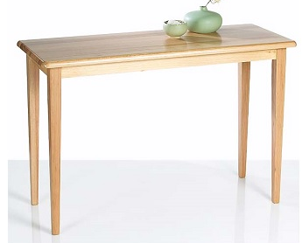
0 | 1200W x 400D x 720H - Veneer |  | $886.00 | $-
0 | 1200W x 400D x 720H - Solid timbrt 32mm top |  | $1,041.00 | $-
0 | Pedemont added to the back |  | $45.00 | $-
0 | DELIVERY TBA |  | $- | $-
 |  |  | SUB TOTAL | $-
 |  |  | GST RATE | 10.00%
 |  |  | GST AMOUNT | $-
 |  |  | TOTAL | $-

$180.00

