Empresa bed
EMPRESA BED KIT CODES PRICELIST 2022

 |  | Individual Item Price List | Volume price | RRP
BA4000 |  | Single Bed Only, Empresa, Floorline 90cm | $3,500.00 | $4,310.00
BA8246 |  | King Single Bed (Empresa bed with WIDTH EXTENSION 105cm) | $3,974.00 | $4,894.00

BA0964 |  | LENGTH EXTENSION, Empresa, 10cm | $196.00 | $241.00
BA8246 |  | WIDTH EXTENSION, Empresa, (to convert single to king single) | $474.00 | $585.00
 |  |  |  | $-
BA7883 / BA7884 |  | Arc Single Head and Foot, Lissa Oak, suits Single and King Single | $282.00 | $347.00
BA7880 / BA7881 |  | Skandi Single Head and Foot, Lissa Oak, suits 90cm | $697.00 | $858.00
BA7878 / BA7879 |  | Skandi King Single Head and Foot | $724.00 | $892.00
BA7882/BA7847 |  | Set Skandi Side Panels | $378.00 | $466.00
BA7875 / BA7876 |  | Bento Single Head and Foot, Lissa Oak, | $755.00 | $929.00
BA7873 / BA7874 |  | Bento King Single Head and Foot, Lissa Oak, | $779.00 | $958.00
BA7877/BA7847 |  | Bento Skandi Side Panels | $500.00 | $616.00
BA7870 / BA7871 |  | Alexander King Single Head and Foot | $1,713.00 | $2,109.00
BA7872/BA7847 |  | Set Alexander Fabric side rails | $806.00 | $1,064.00

PACKAGE PRICING Empresa FloorlineBed ARC PACKAGE - Head and Foot

SINGLE | KING SINGLE
$3,782 | $4,256
Side panels
N/A | N/A

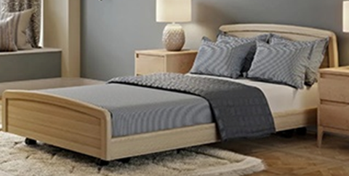
PACKAGE PRICING Empresa FloorlineBed SKANDI PACKAGE - Head and Foot

SINGLE | KING SINGLE
$4,224 | $4,698
Side panels - add to bed price
$378 | $378

PACKAGE PRICING Empresa FloorlineBed ALEXANDER PACKAGE - Head and Foot

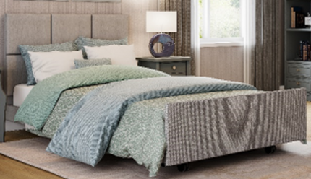
SINGLE | KING SINGLE
N/A | $5,687
Side panels - add to bed price
 | $806

Bedspreads and Doona Covers
 |  |  | Date: | 2026-04-17
Phone: 03 9408 9710 |  |  | Quote: | Bedspreads
Email: sales@wentworthcare.com.au |  |  | Quote valid until: | 2026-05-17
 |  |  | Prepared by: | Tamlyn Carr

Quotation For:
 |  |  |  | LEAD TIMES
 |  |  |  | 3-4 weeks
Comments: | Click here to see a full range of Materiaslied Print Collection Options. Note: Anything that is not Hot off the Press is a Premium Print Collection.

QUANTITY | DESCRIPTION | IMAGE | Single Bed | King Single Bed
 | Materialised Print Collection: Print on One Side Only |  | SINGLE 140CM X 275CM | KING SINGLE 157CM X 275CM
BLCOVHARL101MPC BLCOVHARL201MPC | Hot off the Press Collections - with sewn seam |  | $155.00 | $165.00
BLCOVHARL101MPC-E BLCOVHARL201MPC-E | Hot off the Press Collections - with Cavalry Edging |  | $195.00 | $205.00
BLCOVHARL101PREM BLCOVHARL201PREM | Premium Print Collections - with seam sewn | 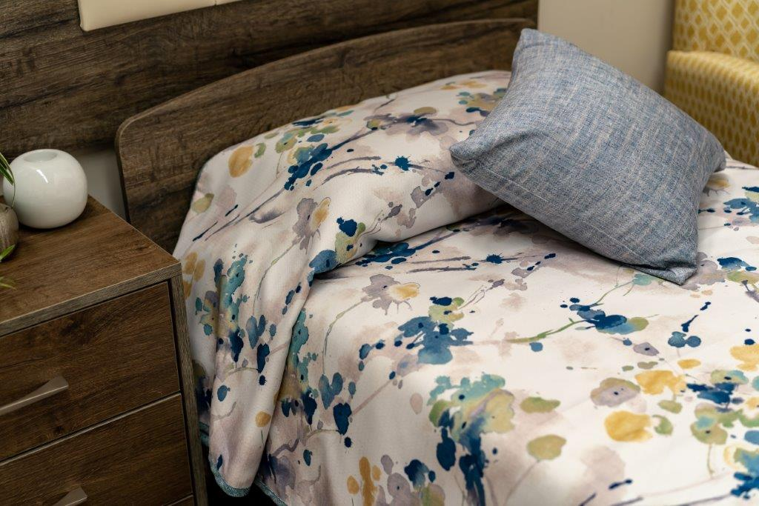 | $185.00 | $195.00
BLCOVHARL101PREM-E BLCOVHARL201PREM-E | Premium Print Collections - with Cavalry Edging |  | $225.00 | $235.00
 | Materialised Print Collection: Print on Both Sides | Photo below shows two sided with edging | SINGLE 140CM X 275CM | KING SINGLE 157CM X 275CM
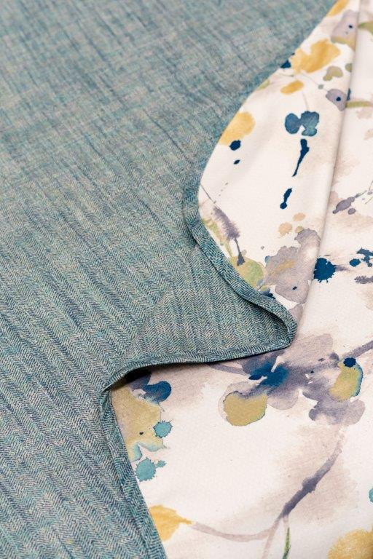
BLCOVHARL102MPC BLCOVHARL202MPC | Side One:Hot off the Press Collections Side Two: Hot off the Press Collections - with Cavalry Edging |  | $230.00 | $245.00
BLCOVHARL102MPC/PREM BLCOVHARL202MPC/PREM | Side One:Hot off the Press Collections Side Two: Premium Print Collections - with Cavalry Edging |  | $255.00 | $261.00
BLCOVHARL102PREM BLCOVHARL202PREM | Side One: Premium Print Collections Side Two: Premium Print Collections - with Cavalry Edging |  | $275.00 | $292.00

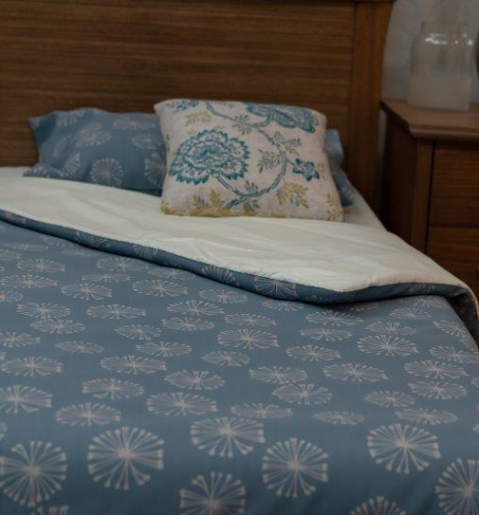
 | Donna Covers No press Studs, no envelope end |  | SINGLE 150CM X 220CM | KING SINGLE 165CM X 220CM
DOONAHARL102MPC DOONAHARL202MPC | Side One:Hot off the Press Collections Side Two: Hot off the Press Collections |  | $270.00 | $310.00
DOONAHARL102MPC/PREM DOONAHARL202MPC/PREM | Side One:Hot off the Press Collections Side Two: Premium Print Collections |  | $310.00 | $360.00
DOONAHARL102PREM DOONAHARL202PREM | Side One: Premium Print Collections Side Two: Premium Print Collections |  | $390.00 | $450.00

 | Quilted Bedspread |  | SINGLE BED | KING SINGLE BED
BLVAELO-S BLVAELO-KS | Quilted Channel Longtop - Vaelo 'For the perfect combination of funcionality and elegance, these custom channel quilted bedspreads have been designed especially for aged care. Infection Control - Reduces the spread of bacteria, protecting residents and staff. Tested under ISO 20742;2021 (E): The globaly recocgnised standard for antibacterial activity on textiles 30cm drop each side | 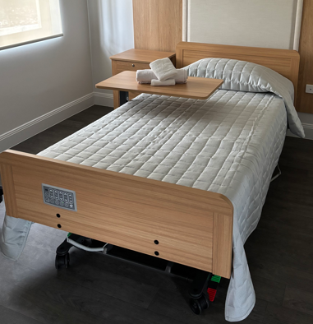 | $270.00 | $290.00
BLCHAN-S BLCHAN-KS | Quilted Channel Longtop - Nettex Boulevard For the perfect combination of funcionality and elegance, these custom channel quilted bedspreads have been designed especially for aged care. 'Choose from a stunning range of plain and neutral colours, which have been used in facilities all across Australia. 30cm drop each side | 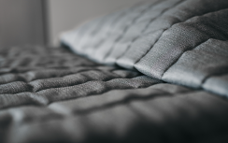 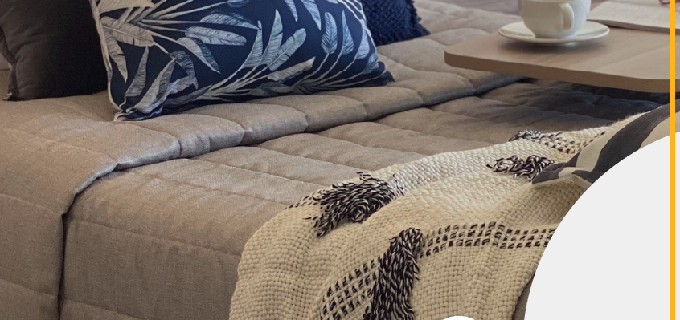 | $280.00 | $300.00
BLCHAN-S BLCHAN-KS | Quilted Channel Longtop - Materiallised Hot off the Press For the perfect combination of funcionality and elegance, these custom channel quilted bedspreads have been designed especially for aged care. Using Materialsed HOTP fabric printed on Cavalry Base Clot 30cm drop each side |  | $350.00 | $360.00
BLTHROW | Throw to cominment the bed - one size | 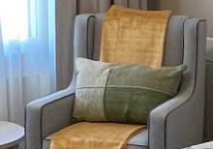 | $105.00
 | Click here to see full range of Colours from the Nettex Boulevard Collection

Blankets
 |  |  |  | Date: | 2026-04-17
Phone: 03 9408 9710 |  |  |  | Quote: | Blankets
Email: sales@wentworthcare.com.au |  |  |  | Quote valid until: | 2026-05-17
 |  |  |  | Prepared by: | Tamlyn Carr

Quotation For:
 |  |  |  |  | LEAD TIMES
 |  |  |  |  | Check Stock
Comments: | Click here to see a full range of Materiaslied Print Collection Options. Note: Anything that is not Hot off the Press is a Premium Print Collection.

QUANTITY | DESCRIPTION | Column1 | IMAGE | Single Bed | King Single Bed

Pillow Case Actil Superwash 50 x 75 | White 50% Cotton 50% Polyester 150gsm | 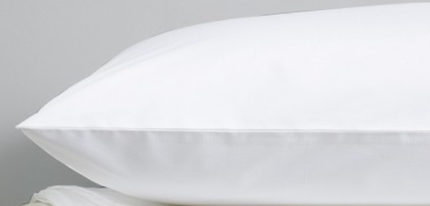 | Launder Prior To 1st Use Hot Wash (Max 80c) Do Not Chlorine Bleach Warm Rinse Well Medium Hot Iron (Max 180c) Do Not Dry Clean | $6.00
Fitted Sheet Actil Superwash 91 x 190 x 38 Single | White 50% Cotton 50% Polyester 150gsm |  | Launder Prior To 1st Use Hot Wash (Max 80c) Do Not Chlorine Bleach Warm Rinse Well Medium Hot Iron (Max 180c) Do Not Dry Clean | $20.00
Fitted Sheet Actil Superwash 107 x 200 x 25 King Single | White 50% Cotton 50% Polyester 150gsm |  | Launder Prior To 1st Use Hot Wash (Max 80c) Do Not Chlorine Bleach Warm Rinse Well Medium Hot Iron (Max 180c) Do Not Dry Clean | $20.00
Fleece Blanket | Camel, Charcoal, Latte 100% Polyester 360gsm Anti-Pul Finish Both Sides |  | Warm Gentle Machine Wash Wash Separately Before Use Warm Tumble Dry Cool Iron If Required Do Not Soak Do Not Bleach Do Not Dry Clean | $30.00
Healthcare Fibretec FR Blanket | White, Latte, Blue 100% Polyester Fire Retardant | 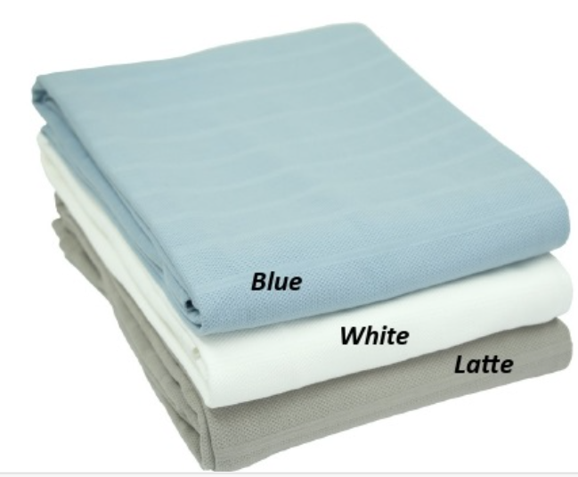 | Warm Gentle Machine Wash Warm Rinse Gentle Spin Warm Tumble Dry Cool Iron If Required Do Not Bleach Do Not Dry Clean | $39.00
Waterproof Pillow | Polyurethane Covver 730 Grames per piece | 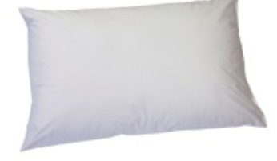 | Do Not Machine Wash Wipe Clean With Mild Detergent Avoid Solvents or Strong Anti Septic Solutions Do Not Bleach, Soak or Wring Towel Dry Or Allow To Air Dry In A Warm Ventilated Area Do Not Iron Do Not Dry Clean | $20.00

Luxury Escape Bedspreads
 |  | Date: | 2026-04-17
Phone: 03 9408 9710 |  | Quote: | Bedspreads
Email: sales@wentworthcare.com.au |  | Quote valid until: | 2026-05-17
 |  | Prepared by: | Tamlyn Carr

Quotation For:
 |  |  | LEAD TIMES
 |  |  | 12-15 weeks
Comments:

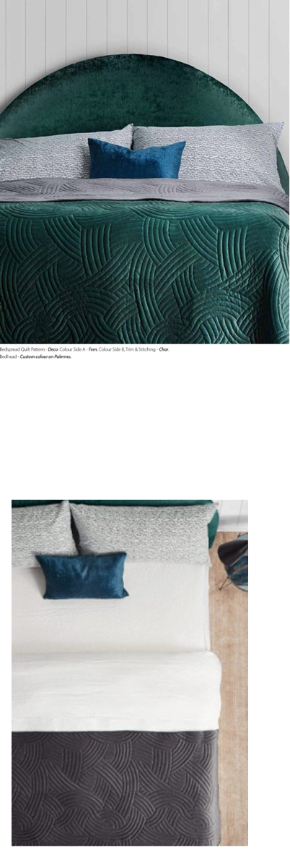
 |  | cm Width x Length
 | LUXURY ESCAPE COLLECTION BEDSPREADS | SINGLE BED cm 212 x 248 | KING SINGLE 227 x 263 | LONG SINGLE 212 x 263 | DOUBLE 258 x 248 | QUEEN 273 x 263 | KING 300 x 263
100 GSM | Minimum Order Qty 100 | $241.33 | $282.67 | $247.33 | $290.67 | $304.00 | $338.67
200GSM | Minimum Order Qty 100 | $278.67 | $312.00 | $283.36 | $320.00 | $330.67 | $369.33

 |  | cm Width x Length
 | LUXURY ESCAPE COLLECTION RUNNERS | SINGLE BED cm 190 X 70 |  |  | DOUBLE 240 X 70 | QUEEN 255 X 70 | KING 280 X 70
100 GSM | Minimum Order Qty 100 | $96.00 |  |  | $114.67 | $117.33 | $133.33
200GSM | Minimum Order Qty 100 | $112.00 |  |  | $130.67 | $133.33 | $150.67

