Bedside Tables
All proudly made in Australia
 |  |  |  |  |  | Price List - Bedside Tables
 |  |  |  |  | Date: | 2026-04-08
Phone: 03 9408 9710 |  |  |  |  | Quote: | Bedside tables
Email: sales@wentworthcare.com.au |  |  |  |  | Quote valid until: | 2026-05-08
 |  |  |  |  | Prepared by: | Tamlyn Carr

Quotation For:
 |  |  |  |  |  | LEAD TIMES
 |  |  |  |  |  | 3-4 weeks
Comments:

QUANTITY | DESCRIPTION | IMAGE | Column1 | Stain | UNIT PRICE | SUB-TOTAL
 | BEDSIDE TABLES |  |  |  |  | $-
0 | ARI 3 Dr BEDSIDE LEVEL EDGE - LAMINATE 4 weeks Top draw Lockable (Key to alike) - Included Two standard draw One Large draw Solid metal handles Four standard castors 750H x 460W x 450D From standard Formica Laminate Colour Range Made in Sydney - Please allow for shipping | 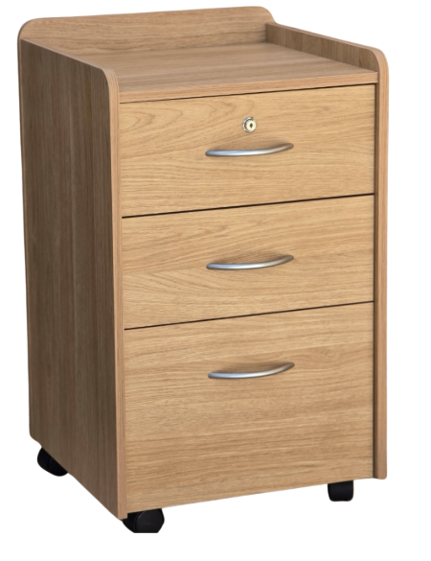 |  | Click for Colour range | $394.00 | $-
0 | ARI 4 Dr BEDSIDE LEVEL EDGE - LAMINATE 4 weeks Top draw Lockable (Key to alike) - Included One standard draw One Large draw Solid metal handles Four standard castors 850H x 460W x 450D From standard Formica Laminate Colour Range Made in Sydney - Please allow for shipping | As above, with 4 drawers |  | Click for Colour range | $495.00 | $-
0 | Fairhaven 1 Drawer Bedside Table Top draw Lockable (Key to alike) - Included Open shelf Solid metal handles Four standard castors included 700H x 490W x 470D From standard Formica Laminate Colour Range Made in Sydney - Please allow for shipping ** Black handles as pictured, add $15 per handle | 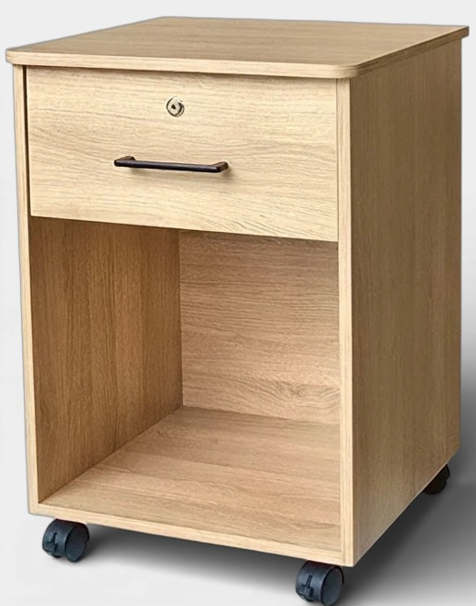 |  | Click for Colour range | $385.00 | $-
0 | Fairhaven 2 Drawer Bedside Table Top draw Lockable (Key to alike) - Included Two standard draw One Large draw Solid metal handles Four standard castors included 700H x 490W x 470D From standard Formica Laminate Colour Range Made in Sydney - Please allow for shipping ** Black handles as pictured, add $15 per handle | 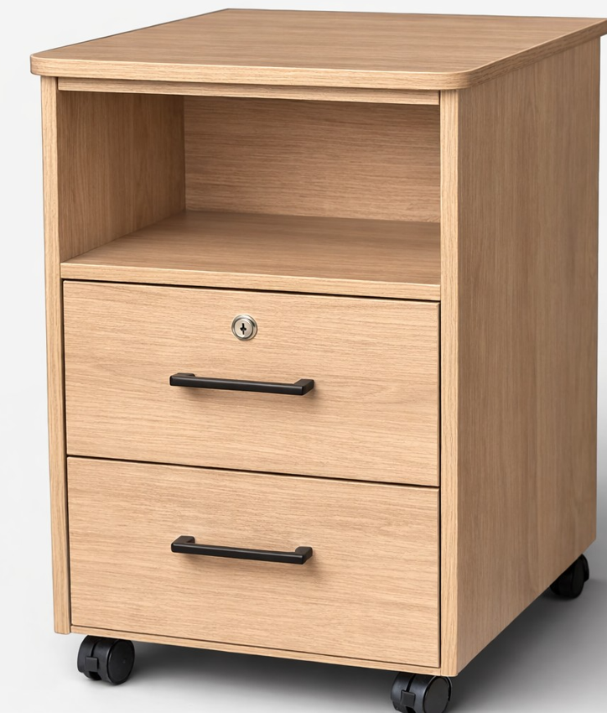 |  | Click for Colour range | $424.00 | $-
0 | Fairhaven 3 Drawer Bedside Table Top draw Lockable (Key to alike) - Included Three standard drawers Solid metal handles Four standard castors included 780H x 490W x 470D From standard Formica Laminate Colour Range Made in Sydney - Please allow for shipping ** Black handles as pictured, add $15 per handle | 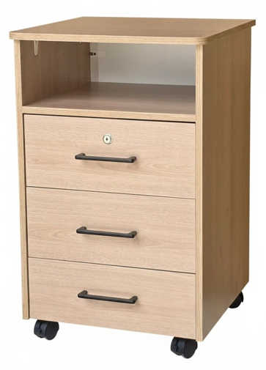 |  | Click for Colour range | $498.00 | $-
0 | Fairhaven 4 Drawer Bedside Table Top draw Lockable (Key to alike) - Included Four standard drawers Solid metal handles Four standard castors included 780H x 490W x 470D From standard Formica Laminate Colour Range Made in Sydney - Please allow for shipping ** Black handles as pictured, add $15 per handle | 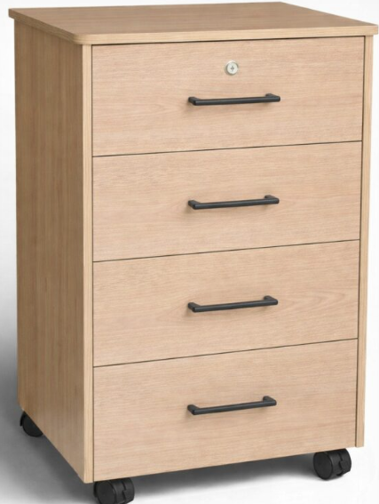 |  | Click for Colour range | $528.00 | $-
 | CARLA LAMINATE - 2-3 weeks Top draw Lockable (Key to alike) One standard draw One Large draw Solid metal handles Four standard castors 650H x 460W x 450D From standard Formica Laminate Colour Range Made in Sydney - Please allow for shipping | 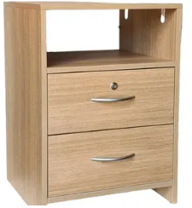 | 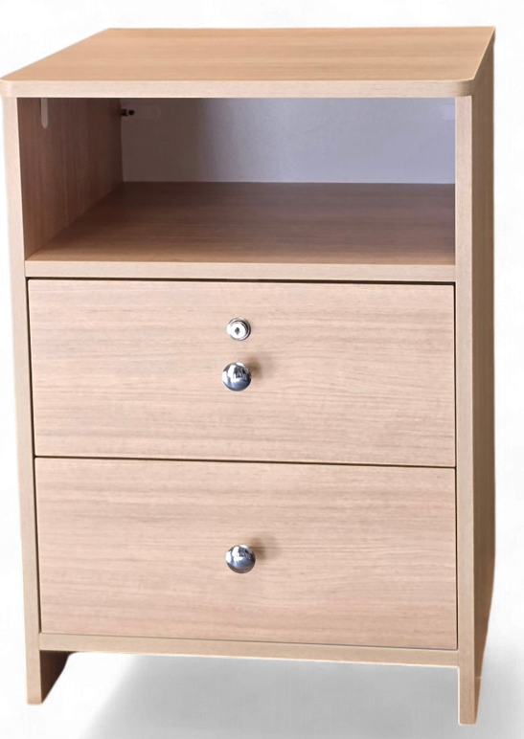 | Click for Colour range | $389.00 | $-
 | Linear Small 1 Drawer, 1 Door, with Breakfast Tray 3-4 weeks BSLIN702 Linear Small bedside with Breakfast tray, one drawer and one door. 630H x 590mm W X 465mm D Available in a range of stained finishes Made in Melbourne - Please allow for shipping | 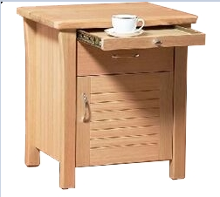 |  | Available in a stain of your choice | $585.00 | $-
 | Linear Small 3 Drawer with Tray 3-4 weeks BSLIN703 Linear Small bedside with Breakfast tray, 3 drawers 630H x 590mm W X 465mm D Available in a range of stained finishes Made in Melbourne - Please allow for shipping | 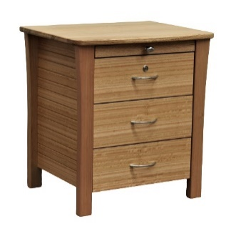 |  | Available in a stain of your choice | $630.00 | $-
 | Linear Large 3 Drawer with Tray 3-4 weeks BSLIN706 Linear large bedside table Breakfast Tray and three drawers (2 small, 1 Large) With rear castors and lockable top drawer 750H x 580mm x 465mm Available in a range of stained finishes Made in Melbourne - Please allow for shipping | 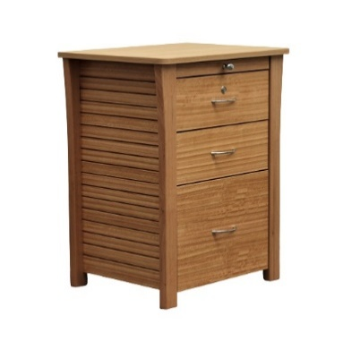 |  | Available in a stain of your choice | $790.00 | $-
 | Soma 2 Drawer 3-4 weeks open shelf Bedside Table with 2 drawers, open cavity, 720H x 520W x 480D solid top, stained finish Made in Melbourne - Please allow for shipping | 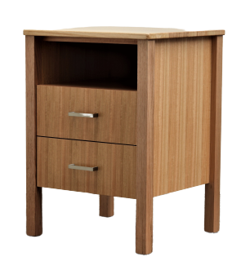 |  | Available in a stain of your choice | $665.00 | $-
 | Soma 3 Drawer Bedside Table 3-4 weeks Soma Bedside 3 drawer, 720H x 520W x 480D solid top, stained finish Made in Melbourne - Please allow for shipping |  |  | Available in a stain of your choice | $758.00 | $-
 | Kingston 3 Drawer Two small and two large fronts. Supplied with rear castors as standard 650H x 500W x 445D Available in a range of stained finishes Option Made in Melbourne - Please allow for shipping | 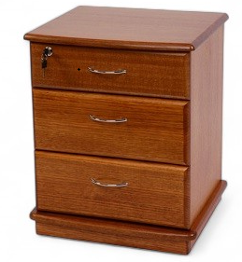 |  | Available in a stain of your choice | $791.00 | $-
 | Kingston 4 Drawer Two small and two large fronts. Supplied with rear castors as standard 750H x 500W x 445D Available in a range of stained finishes Option Made in Melbourne - Please allow for shipping | 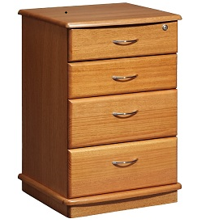 |  | Available in a stain of your choice | $768.00 | $-
 | Kingston 4 Drawer with tray Two small and two large fronts Supplied with rear castors as standard 770H x 500W x 445D Available in a range of stained finishes Option Made in Melbourne - Please allow for shipping | 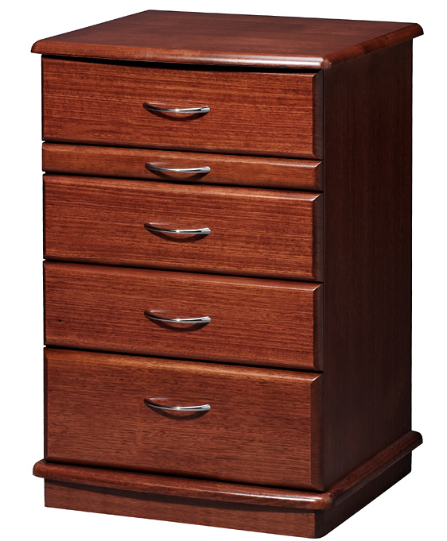 |  | Available in a stain of your choice | $827.00 | $-
 | Elaine 5 Drawer The Elaine bedside has 2 small top drawers and 2 large drawers (1 lockable), supplied with a durable laminate top and timber base, includes rear castors Made in Melbourne - Please allow for shipping | 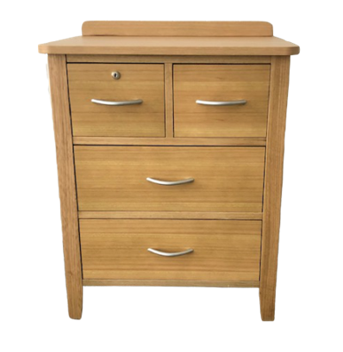 |  | Available in a stain of your choice | $793.00 | $-
 | Elise Bedside Table 1 Drawer 640H x 520W x 480D Available in a range of stained finishes (Min order qty 8) Made in Melbourne - Please allow for shipping ** Castors and lock not available ** | 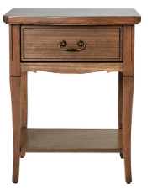 |  | Available in a stain of your choice | $613.00 | $-
 | Elise Bedside Table 2 Drawer 640H x 520W x 480D Available in a range of stained finishes (Min order qty 8) Made in Melbourne - Please allow for shipping ** Castors and lock not available ** | 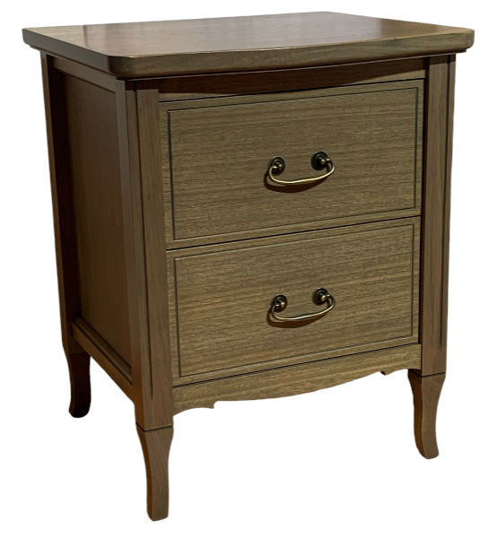 |  | Available in a stain of your choice | $728.00 | $-
 | Fitzroy Bedside 3 Drawer with tray 750H x 500W x 450D Available in a range of stained finishes Option Made in Melbourne - Please allow for shipping | 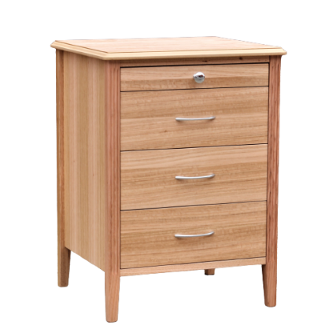 |  | Available in a stain of your choice | $825.00 | $-
0 | Belle 2 Drawer and Shelf - Painted Bedside table, two drawer, tray and open shelf 750H x 500mm W X 450mm D Leg clearance 170mm, constructed of MDF and pine, in a range of painted finishes, a range of handles available Made in Melbourne - Please allow for shipping | 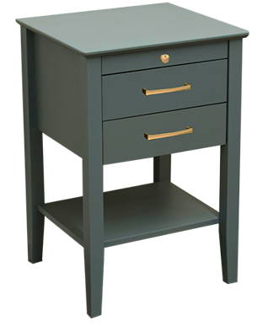 |  | Available in a stain of your choice | $995.00 | $-
 | Chelmsford Bedside Table - Minimum Order Qty 30 Chelmsford Bedside table, three drawers and breakfast tray. Available in a range of stained finishes (Min order qty 8) Made in Melbourne - Please allow for shipping | 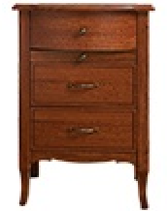 |  | Available in a stain of your choice | $995.00 | $-
 | Rear Castors: Added to any of the above unless otherwise specified |  |  |  | $20.00 | $-
 | Lock: Available as keyed alike (all the same) or keyed to differ (All different) |  |  |  | $30.00 | $-
 | Master Key |  |  |  | $10.00 | $-
 |  |  |  |  | SUB TOTAL | $-
Prices exclude GST and Shipping |  |  |  |  | GST AMOUNT | $-
 |  |  |  |  | TOTAL | $-

Value Bedside Tables - White
All proudly made in Australia
 |  |  |  |  | Price List - Bedside Tables
 |  |  |  | Date: | 2026-04-08
Phone: 03 9408 9710 |  |  |  | Quote: | Bedside tables
Email: sales@wentworthcare.com.au |  |  |  | Quote valid until: | 2026-05-08
 |  |  |  | Prepared by: | Tamlyn Carr

Quotation For:
 |  |  |  |  | LEAD TIMES
 |  |  |  |  | 3-4 weeks
Comments:

QUANTITY | DESCRIPTION | IMAGE | Stain | UNIT PRICE | SUB-TOTAL
 | VALUE RANGE - WHITE BEDSIDE TABLES |  |  |  | $-
 | Crown Bedside - White Laminate Top draw Lockable (Key to alike as standard, keyed to differ available, plus Master Key) One drawer One door Solid metal handles Four standard castors / 2 lockable 680H x 460W x 450D Made in Sydney - Please allow for shipping | 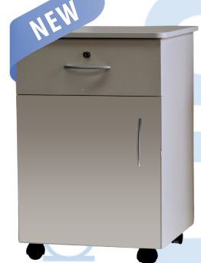 | White "Snowdrift" Velvet Finish Laminate Only | $250.00 | $-
 | Carla - White Laminate Top draw Lockable (Key to alike as standard, keyed to differ available, plus Master Key) One standard draw One Large draw Solid metal handles Four standard castors 650H x 460W x 450D Made in Sydney - Please allow for shipping | 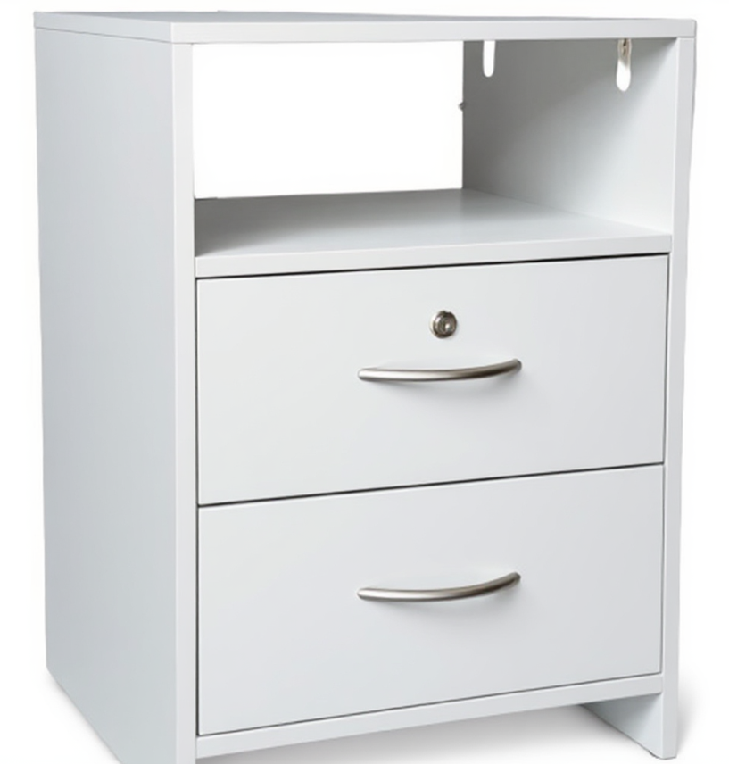 | White "Snowdrift" Velvet Finish Laminate Only | $235.00 | $-
0 | Ari 3 Drawer - White Laminate 2-3 weeks Top draw Lockable (Key to alike as standard, keyed to differ available, plus Master Key)One standard draw One Large draw Solid metal handles Four standard castors 750H x 460W x 450D Made in Sydney - Please allow for shipping | 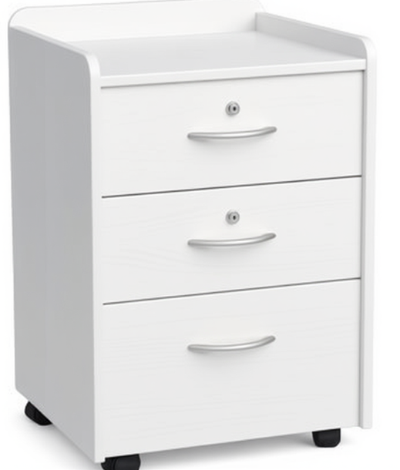 | White "Snowdrift" Velvet Finish Laminate Only | $315.00 | $-
 | Ari 4 Drawer - White Laminate 2-3 weeks Top draw Lockable (Key to alike as standard, keyed to differ available, plus Master Key) 4 Drawers Solid metal handles Four standard castors 850HX 460W x 450D Made in Sydney - Please allow for shipping | 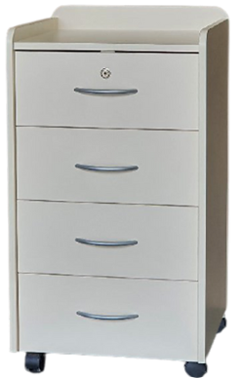 | White "Snowdrift" Velvet Finish Laminate Only | $370.00 | $-
 | Bedside Hutch- Door - White Laminate 2 Drawers Top draw Lockable (Key to alike as standard, keyed to differ available, plus Master Key) 1 Door Includes 2 standard castors, 2 lockable at the back 990H x 460W x 450D Made in Sydney - Please allow for shipping | 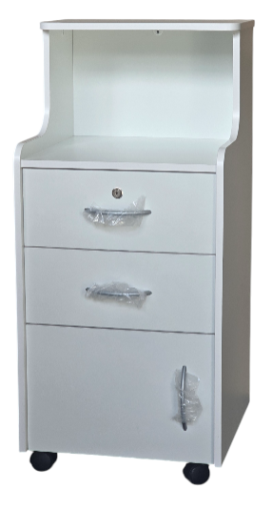 | White "Snowdrift" Velvet Finish Laminate Only | $357.00 | $-
 | Bedside Hutch - 3 Drawer - White Laminate 3 Drawers (Top Lockable) Top draw Lockable (Key to alike as standard, keyed to differ available, plus Master Key) Includes 2 standard castors, 2 lockable at the back 990H x 460W x 450D Made in Sydney - Please allow for shipping | 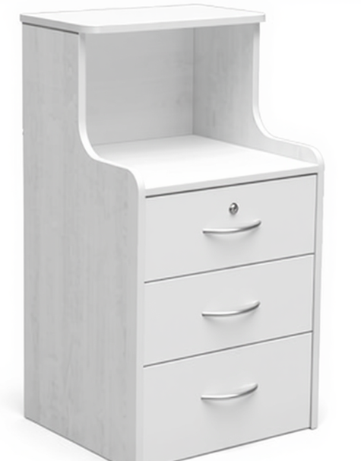 | White "Snowdrift" Velvet Finish Laminate Only | $357.00 | $-
 |  |  |  | SUB TOTAL | $-
Prices exclude GST and Shipping |  |  |  | GST AMOUNT | $-
 |  |  |  | TOTAL | $-

